CNN
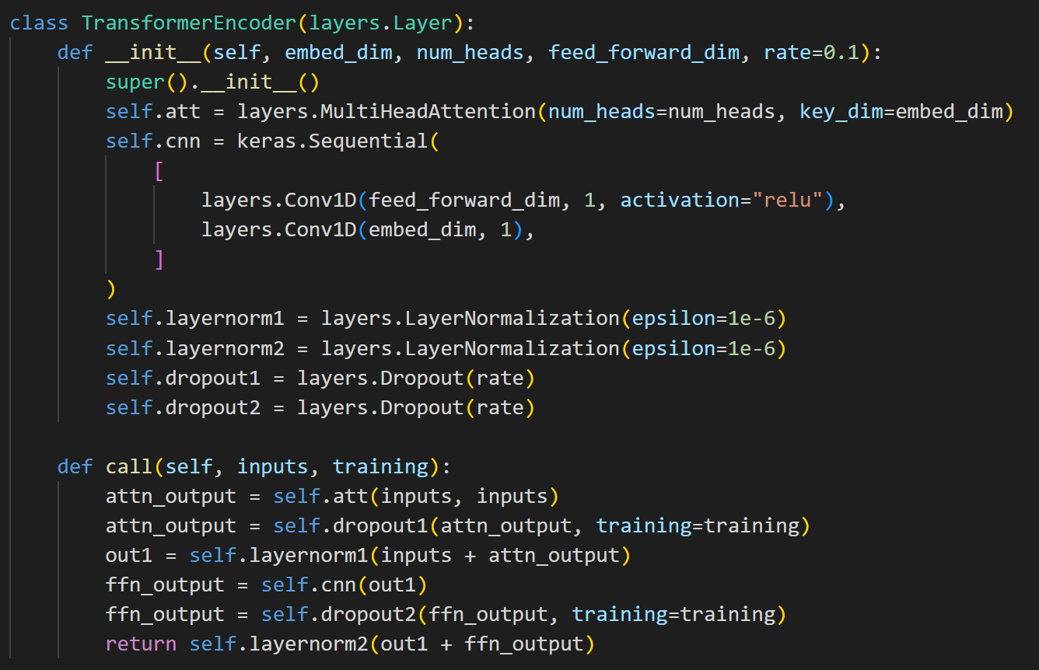
Database: UA Speech | Average WRA: 85% | Trained from scratch for 100 epoches | Epoch | WER | Epoch | WRA
Architecture: Aded CNN Sequential layers instead of Feed Forward Neural Network |  |  | 0 | 0.984375 | 1 | 1.5625
 |  |  | 1 | 0.8125 | 2 | 18.75
 |  |  | 2 | 0.5 | 3 | 50
 |  |  | 3 | 0.4375 | 4 | 56.25
 |  |  | 4 | 0.40625 | 5 | 59.375
 |  |  | 5 | 0.359375 | 6 | 64.0625
 |  |  | 6 | 0.328125 | 7 | 67.1875
 |  |  | 7 | 0.265625 | 8 | 73.4375
 |  |  | 8 | 0.34375 | 9 | 65.625
 |  |  | 9 | 0.390625 | 10 | 60.9375
 |  |  | 10 | 0.28125 | 11 | 71.875
 |  |  | 11 | 0.390625 | 12 | 60.9375
 |  |  | 12 | 0.328125 | 13 | 67.1875
 |  |  | 13 | 0.328125 | 14 | 67.1875
Training Accuracy vs Epoch |  |  | 14 | 0.359375 | 15 | 64.0625
 |  |  | 15 | 0.3125 | 16 | 68.75
 |  |  | 16 | 0.265625 | 17 | 73.4375
 |  |  | 17 | 0.25 | 18 | 75
 |  |  | 18 | 0.28125 | 19 | 71.875
 |  |  | 19 | 0.28125 | 20 | 71.875
 |  |  | 20 | 0.296875 | 21 | 70.3125
 |  |  | 21 | 0.328125 | 22 | 67.1875
 |  |  | 22 | 0.25 | 23 | 75
 |  |  | 23 | 0.21875 | 24 | 78.125
 |  |  | 24 | 0.3125 | 25 | 68.75
 |  |  | 25 | 0.34375 | 26 | 65.625
 |  |  | 26 | 0.234375 | 27 | 76.5625
 |  |  | 27 | 0.25 | 28 | 75
 |  |  | 28 | 0.328125 | 29 | 67.1875
 |  |  | 29 | 0.25 | 30 | 75
 |  |  | 30 | 0.34375 | 31 | 65.625
 |  |  | 31 | 0.21875 | 32 | 78.125
Training loss vs Validation Loss |  |  | 32 | 0.328125 | 33 | 67.1875
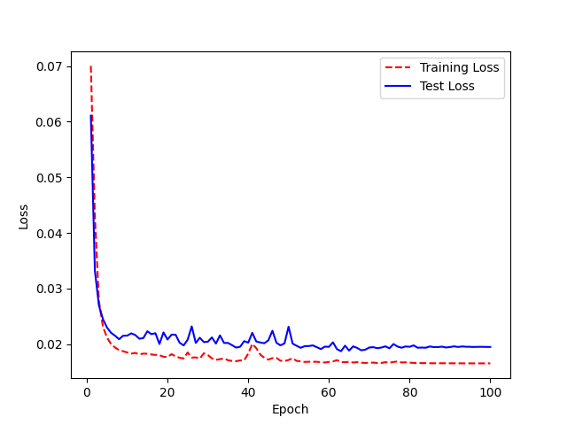
 |  |  | 33 | 0.28125 | 34 | 71.875
 |  |  | 34 | 0.234375 | 35 | 76.5625
 |  |  | 35 | 0.234375 | 36 | 76.5625
 |  |  | 36 | 0.171875 | 37 | 82.8125
 |  |  | 37 | 0.1875 | 38 | 81.25
 |  |  | 38 | 0.234375 | 39 | 76.5625
 |  |  | 39 | 0.234375 | 40 | 76.5625
 |  |  | 40 | 0.40625 | 41 | 59.375
 |  |  | 41 | 0.3125 | 42 | 68.75
 |  |  | 42 | 0.28125 | 43 | 71.875
 |  |  | 43 | 0.234375 | 44 | 76.5625
 |  |  | 44 | 0.21875 | 45 | 78.125
 |  |  | 45 | 0.375 | 46 | 62.5
 |  |  | 46 | 0.234375 | 47 | 76.5625
 |  |  | 47 | 0.25 | 48 | 75
 |  |  | 48 | 0.21875 | 49 | 78.125
 |  |  | 49 | 0.34375 | 50 | 65.625
 |  |  | 50 | 0.21875 | 51 | 78.125
 |  |  | 51 | 0.21875 | 52 | 78.125
 |  |  | 52 | 0.234375 | 53 | 76.5625
Hyperparamters and Learning Rate: |  |  | 53 | 0.21875 | 54 | 78.125
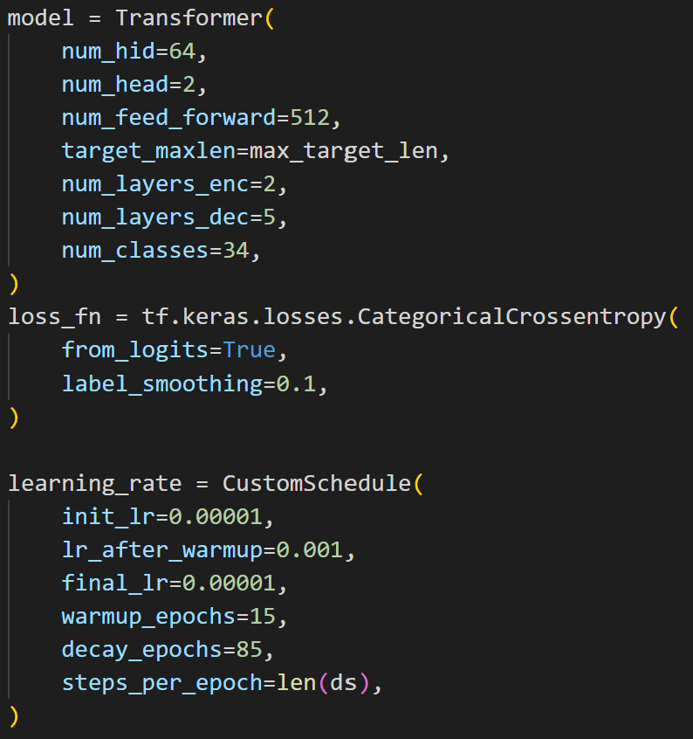
 |  |  | 54 | 0.1875 | 55 | 81.25
 |  |  | 55 | 0.203125 | 56 | 79.6875
 |  |  | 56 | 0.21875 | 57 | 78.125
 |  |  | 57 | 0.203125 | 58 | 79.6875
 |  |  | 58 | 0.140625 | 59 | 85.9375
 |  |  | 59 | 0.15625 | 60 | 84.375
 |  |  | 60 | 0.28125 | 61 | 71.875
 |  |  | 61 | 0.203125 | 62 | 79.6875
 |  |  | 62 | 0.15625 | 63 | 84.375
 |  |  | 63 | 0.265625 | 64 | 73.4375
 |  |  | 64 | 0.125 | 65 | 87.5
 |  |  | 65 | 0.140625 | 66 | 85.9375
 |  |  | 66 | 0.171875 | 67 | 82.8125
 |  |  | 67 | 0.171875 | 68 | 82.8125
 |  |  | 68 | 0.171875 | 69 | 82.8125
 |  |  | 69 | 0.15625 | 70 | 84.375
 |  |  | 70 | 0.203125 | 71 | 79.6875
 |  |  | 71 | 0.171875 | 72 | 82.8125
 |  |  | 72 | 0.15625 | 73 | 84.375
 |  |  | 73 | 0.171875 | 74 | 82.8125
 |  |  | 74 | 0.15625 | 75 | 84.375
 |  |  | 75 | 0.25 | 76 | 75
 |  |  | 76 | 0.234375 | 77 | 76.5625
 |  |  | 77 | 0.203125 | 78 | 79.6875
 |  |  | 78 | 0.234375 | 79 | 76.5625
 |  |  | 79 | 0.21875 | 80 | 78.125
 |  |  | 80 | 0.21875 | 81 | 78.125
 |  |  | 81 | 0.140625 | 82 | 85.9375
 |  |  | 82 | 0.25 | 83 | 75
 |  |  | 83 | 0.171875 | 84 | 82.8125
 |  |  | 84 | 0.21875 | 85 | 78.125
 |  |  | 85 | 0.171875 | 86 | 82.8125
 |  |  | 86 | 0.203125 | 87 | 79.6875
 |  |  | 87 | 0.1875 | 88 | 81.25
 |  |  | 88 | 0.1875 | 89 | 81.25
 |  |  | 89 | 0.1875 | 90 | 81.25
 |  |  | 90 | 0.1875 | 91 | 81.25
 |  |  | 91 | 0.21875 | 92 | 78.125
 |  |  | 92 | 0.203125 | 93 | 79.6875
 |  |  | 93 | 0.1875 | 94 | 81.25
 |  |  | 94 | 0.203125 | 95 | 79.6875
 |  |  | 95 | 0.1875 | 96 | 81.25
 |  |  | 96 | 0.1875 | 97 | 81.25
 |  |  | 97 | 0.203125 | 98 | 79.6875
 |  |  | 98 | 0.171875 | 99 | 82.8125
 |  |  | 99 | 0.171875 | 100 | 82.8125
 |  |  | <__main__.DisplayOutputs object at 0x7f1658eb05e0> | 0.171875 | #VALUE! | 82.8125
 |  |  | <__main__.DisplayOutputs object at 0x7f1658eb05e0> | 0.078125 | #VALUE! | 92.1875
 |  |  | <__main__.DisplayOutputs object at 0x7f1658eb05e0> | 0.109375 | #VALUE! | 89.0625
 |  |  | <__main__.DisplayOutputs object at 0x7f1658eb05e0> | 0.203125 | #VALUE! | 79.6875
 |  |  | <__main__.DisplayOutputs object at 0x7f1658eb05e0> | 0.203125 | #VALUE! | 79.6875
 |  |  | <__main__.DisplayOutputs object at 0x7f1658eb05e0> | 0.140625 | #VALUE! | 85.9375
 |  |  | <__main__.DisplayOutputs object at 0x7f1658eb05e0> | 0.0625 | #VALUE! | 93.75
 |  |  | <__main__.DisplayOutputs object at 0x7f1658eb05e0> | 0.140625 | #VALUE! | 85.9375
 |  |  | <__main__.DisplayOutputs object at 0x7f1658eb05e0> | 0.109375 | #VALUE! | 89.0625
 |  |  | <__main__.DisplayOutputs object at 0x7f1658eb05e0> | 0.109375 | #VALUE! | 89.0625
 |  |  | <__main__.DisplayOutputs object at 0x7f1658eb05e0> | 0.125 | #VALUE! | 87.5
 |  |  | <__main__.DisplayOutputs object at 0x7f1658eb05e0> | 0.203125 | #VALUE! | 79.6875
 |  |  | <__main__.DisplayOutputs object at 0x7f1658eb05e0> | 0.125 | #VALUE! | 87.5
 |  |  | <__main__.DisplayOutputs object at 0x7f1658eb05e0> | 0.15625 | #VALUE! | 84.375
 |  |  | <__main__.DisplayOutputs object at 0x7f1658eb05e0> | 0.140625 | #VALUE! | 85.9375
 |  |  | <__main__.DisplayOutputs object at 0x7f1658eb05e0> | 0.15625 | #VALUE! | 84.375
 |  |  | <__main__.DisplayOutputs object at 0x7f1658eb05e0> | 0.1875 | #VALUE! | 81.25
 |  |  | <__main__.DisplayOutputs object at 0x7f1658eb05e0> | 0.203125 | #VALUE! | 79.6875
 |  |  | <__main__.DisplayOutputs object at 0x7f1658eb05e0> | 0.09375 | #VALUE! | 90.625
 |  |  | <__main__.DisplayOutputs object at 0x7f1658eb05e0> | 0.171875 | #VALUE! | 82.8125
 |  |  | <__main__.DisplayOutputs object at 0x7f1658eb05e0> | 0.109375 | #VALUE! | 89.0625
 |  |  | <__main__.DisplayOutputs object at 0x7f1658eb05e0> | 0.140625 | #VALUE! | 85.9375
 |  |  | <__main__.DisplayOutputs object at 0x7f1658eb05e0> | 0.125 | #VALUE! | 87.5
 |  |  | <__main__.DisplayOutputs object at 0x7f1658eb05e0> | 0.21875 | #VALUE! | 78.125
 |  |  | <__main__.DisplayOutputs object at 0x7f1658eb05e0> | 0.15625 | #VALUE! | 84.375
 |  |  | <__main__.DisplayOutputs object at 0x7f1658eb05e0> | 0.1875 | #VALUE! | 81.25
 |  |  | <__main__.DisplayOutputs object at 0x7f1658eb05e0> | 0.140625 | #VALUE! | 85.9375
 |  |  | <__main__.DisplayOutputs object at 0x7f1658eb05e0> | 0.125 | #VALUE! | 87.5
 |  |  | <__main__.DisplayOutputs object at 0x7f1658eb05e0> | 0.21875 | #VALUE! | 78.125
 |  |  | <__main__.DisplayOutputs object at 0x7f1658eb05e0> | 0.1875 | #VALUE! | 81.25
 |  |  | <__main__.DisplayOutputs object at 0x7f1658eb05e0> | 0.15625 | #VALUE! | 84.375
 |  |  | <__main__.DisplayOutputs object at 0x7f1658eb05e0> | 0.15625 | #VALUE! | 84.375
 |  |  | <__main__.DisplayOutputs object at 0x7f1658eb05e0> | 0.1875 | #VALUE! | 81.25
 |  |  | <__main__.DisplayOutputs object at 0x7f1658eb05e0> | 0.125 | #VALUE! | 87.5
 |  |  | <__main__.DisplayOutputs object at 0x7f1658eb05e0> | 0.171875 | #VALUE! | 82.8125
 |  |  | <__main__.DisplayOutputs object at 0x7f1658eb05e0> | 0.21875 | #VALUE! | 78.125
 |  |  | <__main__.DisplayOutputs object at 0x7f1658eb05e0> | 0.0625 | #VALUE! | 93.75
 |  |  | <__main__.DisplayOutputs object at 0x7f1658eb05e0> | 0.09375 | #VALUE! | 90.625
 |  |  | <__main__.DisplayOutputs object at 0x7f1658eb05e0> | 0.125 | #VALUE! | 87.5
 |  |  | <__main__.DisplayOutputs object at 0x7f1658eb05e0> | 0.171875 | #VALUE! | 82.8125
 |  |  | <__main__.DisplayOutputs object at 0x7f1658eb05e0> | 0.21875 | #VALUE! | 78.125
 |  |  | <__main__.DisplayOutputs object at 0x7f1658eb05e0> | 0.140625 | #VALUE! | 85.9375
 |  |  | <__main__.DisplayOutputs object at 0x7f1658eb05e0> | 0.09375 | #VALUE! | 90.625
 |  |  | <__main__.DisplayOutputs object at 0x7f1658eb05e0> | 0.21875 | #VALUE! | 78.125
 |  |  | <__main__.DisplayOutputs object at 0x7f1658eb05e0> | 0.1875 | #VALUE! | 81.25
 |  |  | <__main__.DisplayOutputs object at 0x7f1658eb05e0> | 0.1875 | #VALUE! | 81.25
 |  |  | <__main__.DisplayOutputs object at 0x7f1658eb05e0> | 0.203125 | #VALUE! | 79.6875
 |  |  | <__main__.DisplayOutputs object at 0x7f1658eb05e0> | 0.140625 | #VALUE! | 85.9375
 |  |  | <__main__.DisplayOutputs object at 0x7f1658eb05e0> | 0.109375 | #VALUE! | 89.0625
 |  |  | <__main__.DisplayOutputs object at 0x7f1658eb05e0> | 0.125 | #VALUE! | 87.5
 |  |  | <__main__.DisplayOutputs object at 0x7f1658eb05e0> | 0.10909090909 | #VALUE! | 89.090909091

Two FNN
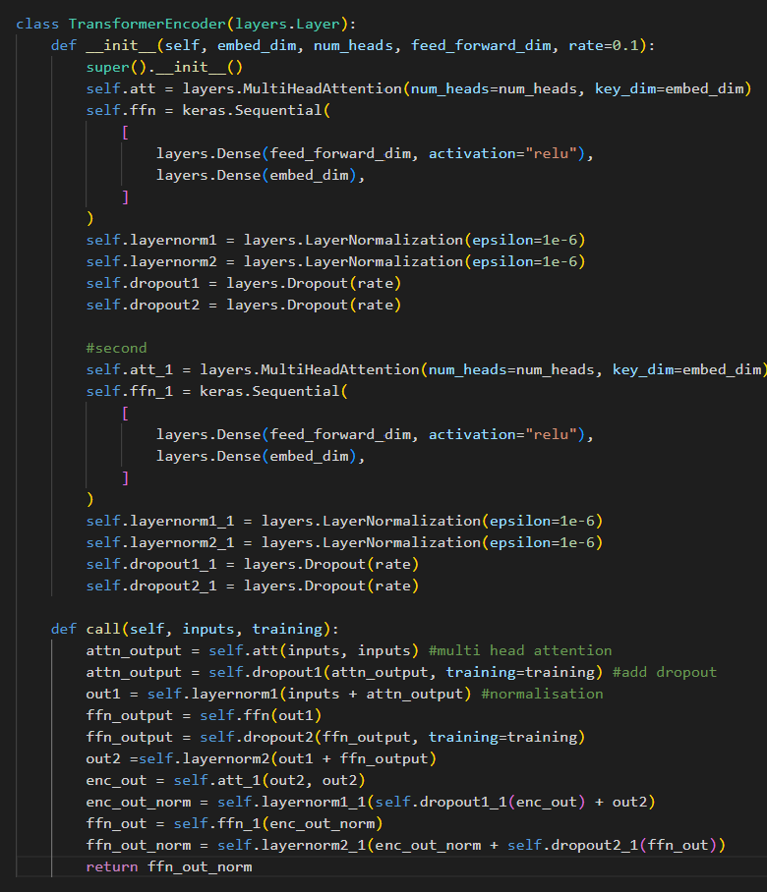
Database: UA Speech | Average WRA: 84% | Trained from scratch for 100 epoches | Epoch | WER | Epoch | WRA
Architecture: Added two mutiple attention, FNN layers |  |  | 0 | 1 | 1 | 0
 |  |  | 1 | 0.953125 | 2 | 4.6875
 |  |  | 2 | 0.71875 | 3 | 28.125
 |  |  | 3 | 0.75 | 4 | 25
 |  |  | 4 | 0.546875 | 5 | 45.3125
 |  |  | 5 | 0.4375 | 6 | 56.25
 |  |  | 6 | 0.375 | 7 | 62.5
 |  |  | 7 | 0.34375 | 8 | 65.625
 |  |  | 8 | 0.359375 | 9 | 64.0625
 |  |  | 9 | 0.328125 | 10 | 67.1875
 |  |  | 10 | 0.375 | 11 | 62.5
 |  |  | 11 | 0.390625 | 12 | 60.9375
 |  |  | 12 | 0.265625 | 13 | 73.4375
 |  |  | 13 | 0.375 | 14 | 62.5
 |  |  | 14 | 0.421875 | 15 | 57.8125
 |  |  | 15 | 0.375 | 16 | 62.5
 |  |  | 16 | 0.375 | 17 | 62.5
 |  |  | 17 | 0.359375 | 18 | 64.0625
 |  |  | 18 | 0.234375 | 19 | 76.5625
 |  |  | 19 | 0.3125 | 20 | 68.75
 |  |  | 20 | 0.390625 | 21 | 60.9375
 |  |  | 21 | 0.265625 | 22 | 73.4375
 |  |  | 22 | 0.359375 | 23 | 64.0625
 |  |  | 23 | 0.3125 | 24 | 68.75
 |  |  | 24 | 0.234375 | 25 | 76.5625
 |  |  | 25 | 0.234375 | 26 | 76.5625
Training Accuracy VS Epoch |  |  | 26 | 0.375 | 27 | 62.5
 |  |  | 27 | 0.25 | 28 | 75
 |  |  | 28 | 0.265625 | 29 | 73.4375
 |  |  | 29 | 0.265625 | 30 | 73.4375
 |  |  | 30 | 0.25 | 31 | 75
 |  |  | 31 | 0.359375 | 32 | 64.0625
 |  |  | 32 | 0.234375 | 33 | 76.5625
 |  |  | 33 | 0.171875 | 34 | 82.8125
 |  |  | 34 | 0.25 | 35 | 75
 |  |  | 35 | 0.203125 | 36 | 79.6875
 |  |  | 36 | 0.109375 | 37 | 89.0625
 |  |  | 37 | 0.1875 | 38 | 81.25
 |  |  | 38 | 0.234375 | 39 | 76.5625
 |  |  | 39 | 0.1875 | 40 | 81.25
 |  |  | 40 | 0.21875 | 41 | 78.125
 |  |  | 41 | 0.140625 | 42 | 85.9375
 |  |  | 42 | 0.25 | 43 | 75
Training loss vs Validation Loss |  |  | 43 | 0.25 | 44 | 75
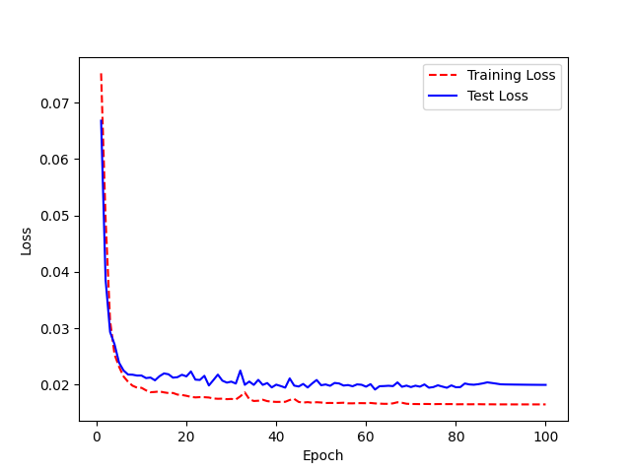
 |  |  | 44 | 0.203125 | 45 | 79.6875
 |  |  | 45 | 0.203125 | 46 | 79.6875
 |  |  | 46 | 0.140625 | 47 | 85.9375
 |  |  | 47 | 0.1875 | 48 | 81.25
 |  |  | 48 | 0.203125 | 49 | 79.6875
 |  |  | 49 | 0.1875 | 50 | 81.25
 |  |  | 50 | 0.140625 | 51 | 85.9375
 |  |  | 51 | 0.15625 | 52 | 84.375
 |  |  | 52 | 0.203125 | 53 | 79.6875
 |  |  | 53 | 0.15625 | 54 | 84.375
 |  |  | 54 | 0.15625 | 55 | 84.375
 |  |  | 55 | 0.21875 | 56 | 78.125
 |  |  | 56 | 0.1875 | 57 | 81.25
 |  |  | 57 | 0.203125 | 58 | 79.6875
 |  |  | 58 | 0.171875 | 59 | 82.8125
Hyperparamters and Learning Rate: |  |  | 59 | 0.125 | 60 | 87.5
 |  |  | 60 | 0.171875 | 61 | 82.8125
 |  |  | 61 | 0.171875 | 62 | 82.8125
 |  |  | 62 | 0.15625 | 63 | 84.375
 |  |  | 63 | 0.15625 | 64 | 84.375
 |  |  | 64 | 0.1875 | 65 | 81.25
 |  |  | 65 | 0.1875 | 66 | 81.25
 |  |  | 66 | 0.25 | 67 | 75
 |  |  | 67 | 0.140625 | 68 | 85.9375
 |  |  | 68 | 0.171875 | 69 | 82.8125
 |  |  | 69 | 0.171875 | 70 | 82.8125
 |  |  | 70 | 0.140625 | 71 | 85.9375
 |  |  | 71 | 0.15625 | 72 | 84.375
 |  |  | 72 | 0.125 | 73 | 87.5
 |  |  | 73 | 0.140625 | 74 | 85.9375
 |  |  | 74 | 0.171875 | 75 | 82.8125
 |  |  | 75 | 0.171875 | 76 | 82.8125
 |  |  | 76 | 0.140625 | 77 | 85.9375
 |  |  | 77 | 0.171875 | 78 | 82.8125
 |  |  | 78 | 0.1875 | 79 | 81.25
 |  |  | 79 | 0.140625 | 80 | 85.9375
 |  |  | 80 | 0.140625 | 81 | 85.9375
 |  |  | 81 | 0.15625 | 82 | 84.375
 |  |  | 82 | 0.09375 | 83 | 90.625
 |  |  | 83 | 0.125 | 84 | 87.5
 |  |  | 84 | 0.15625 | 85 | 84.375
 |  |  | 85 | 0.140625 | 86 | 85.9375
 |  |  | 86 | 0.140625 | 87 | 85.9375
 |  |  | 87 | 0.1875 | 88 | 81.25
 |  |  | 88 | 0.15625 | 89 | 84.375
 |  |  | 89 | 0.140625 | 90 | 85.9375
 |  |  | 90 | 0.140625 | 91 | 85.9375
 |  |  | 91 | 0.15625 | 92 | 84.375
 |  |  | 92 | 0.15625 | 93 | 84.375
 |  |  | 93 | 0.140625 | 94 | 85.9375
 |  |  | 94 | 0.140625 | 95 | 85.9375
 |  |  | 95 | 0.140625 | 96 | 85.9375
 |  |  | 96 | 0.140625 | 97 | 85.9375
 |  |  | 97 | 0.140625 | 98 | 85.9375
 |  |  | 98 | 0.140625 | 99 | 85.9375
 |  |  | 99 | 0.140625 | 100 | 85.9375

Two CNN
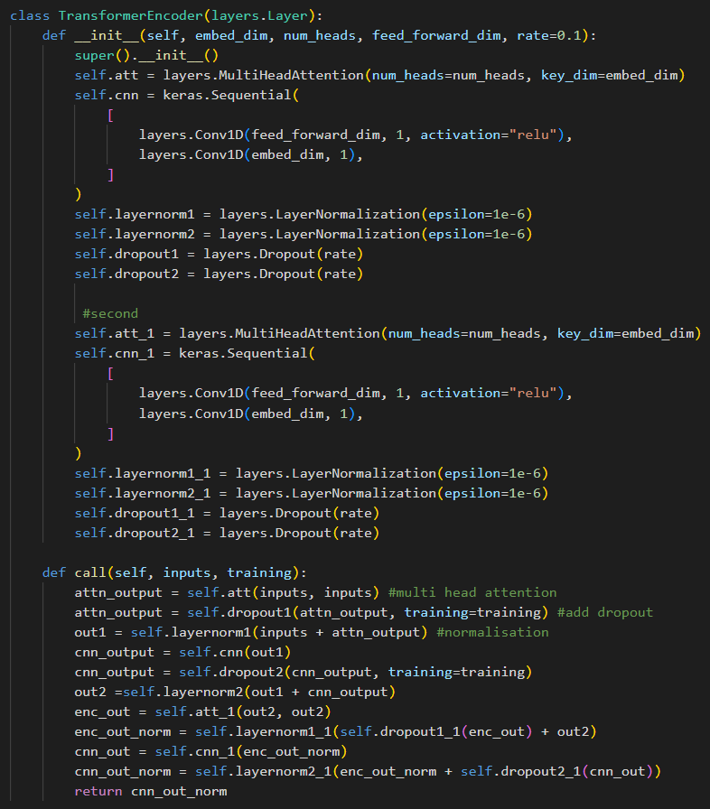
Database: UA Speech | Average WRA: 83% | Trained from scratch for 100 epoches | Epoch | WER | Epoch | WRA
Architecture: Added mutiple attention, sequential cnn layers |  |  | 0 | 1 | 1 | 0
 |  |  | 1 | 0.828125 | 2 | 17.1875
 |  |  | 2 | 0.515625 | 3 | 48.4375
 |  |  | 3 | 0.46875 | 4 | 53.125
 |  |  | 4 | 0.421875 | 5 | 57.8125
 |  |  | 5 | 0.421875 | 6 | 57.8125
 |  |  | 6 | 0.40625 | 7 | 59.375
 |  |  | 7 | 0.359375 | 8 | 64.0625
 |  |  | 8 | 0.328125 | 9 | 67.1875
 |  |  | 9 | 0.296875 | 10 | 70.3125
 |  |  | 10 | 0.25 | 11 | 75
 |  |  | 11 | 0.3125 | 12 | 68.75
 |  |  | 12 | 0.359375 | 13 | 64.0625
 |  |  | 13 | 0.265625 | 14 | 73.4375
 |  |  | 14 | 0.359375 | 15 | 64.0625
 |  |  | 15 | 0.390625 | 16 | 60.9375
 |  |  | 16 | 0.296875 | 17 | 70.3125
 |  |  | 17 | 0.375 | 18 | 62.5
 |  |  | 18 | 0.265625 | 19 | 73.4375
 |  |  | 19 | 0.296875 | 20 | 70.3125
 |  |  | 20 | 0.390625 | 21 | 60.9375
 |  |  | 21 | 0.359375 | 22 | 64.0625
 |  |  | 22 | 0.390625 | 23 | 60.9375
 |  |  | 23 | 0.171875 | 24 | 82.8125
 |  |  | 24 | 0.234375 | 25 | 76.5625
 |  |  | 25 | 0.296875 | 26 | 70.3125
Training Accuracy vs Epoch |  |  | 26 | 0.359375 | 27 | 64.0625
WRA
 |  |  | 27 | 0.265625 | 28 | 73.4375
 |  |  | 28 | 0.328125 | 29 | 67.1875
 |  |  | 29 | 0.3125 | 30 | 68.75
 |  |  | 30 | 0.25 | 31 | 75
 |  |  | 31 | 0.21875 | 32 | 78.125
 |  |  | 32 | 0.1875 | 33 | 81.25
 |  |  | 33 | 0.25 | 34 | 75
 |  |  | 34 | 0.3125 | 35 | 68.75
 |  |  | 35 | 0.359375 | 36 | 64.0625
 |  |  | 36 | 0.234375 | 37 | 76.5625
 |  |  | 37 | 0.28125 | 38 | 71.875
 |  |  | 38 | 0.328125 | 39 | 67.1875
 |  |  | 39 | 0.3125 | 40 | 68.75
 |  |  | 40 | 0.375 | 41 | 62.5
 |  |  | 41 | 0.328125 | 42 | 67.1875
 |  |  | 42 | 0.3125 | 43 | 68.75
 |  |  | 43 | 0.25 | 44 | 75
 |  |  | 44 | 0.3125 | 45 | 68.75
Training loss vs Validation Loss |  |  | 45 | 0.28125 | 46 | 71.875
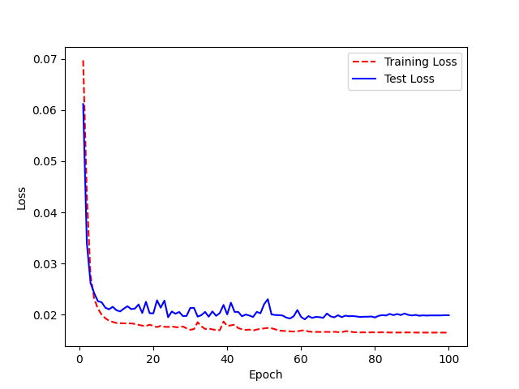
 |  |  | 46 | 0.234375 | 47 | 76.5625
 |  |  | 47 | 0.265625 | 48 | 73.4375
 |  |  | 48 | 0.328125 | 49 | 67.1875
 |  |  | 49 | 0.359375 | 50 | 64.0625
 |  |  | 50 | 0.453125 | 51 | 54.6875
 |  |  | 51 | 0.3125 | 52 | 68.75
 |  |  | 52 | 0.296875 | 53 | 70.3125
 |  |  | 53 | 0.28125 | 54 | 71.875
 |  |  | 54 | 0.28125 | 55 | 71.875
 |  |  | 55 | 0.25 | 56 | 75
 |  |  | 56 | 0.171875 | 57 | 82.8125
 |  |  | 57 | 0.203125 | 58 | 79.6875
 |  |  | 58 | 0.21875 | 59 | 78.125
 |  |  | 59 | 0.21875 | 60 | 78.125
 |  |  | 60 | 0.234375 | 61 | 76.5625
 |  |  | 61 | 0.203125 | 62 | 79.6875
 |  |  | 62 | 0.25 | 63 | 75
 |  |  | 63 | 0.203125 | 64 | 79.6875
 |  |  | 64 | 0.25 | 65 | 75
 |  |  | 65 | 0.171875 | 66 | 82.8125
 |  |  | 66 | 0.1875 | 67 | 81.25
 |  |  | 67 | 0.1875 | 68 | 81.25
Hyperparamters and Learning Rate: |  |  | 68 | 0.140625 | 69 | 85.9375
 |  |  | 69 | 0.15625 | 70 | 84.375
 |  |  | 70 | 0.171875 | 71 | 82.8125
 |  |  | 71 | 0.234375 | 72 | 76.5625
 |  |  | 72 | 0.1875 | 73 | 81.25
 |  |  | 73 | 0.171875 | 74 | 82.8125
 |  |  | 74 | 0.1875 | 75 | 81.25
 |  |  | 75 | 0.125 | 76 | 87.5
 |  |  | 76 | 0.171875 | 77 | 82.8125
 |  |  | 77 | 0.15625 | 78 | 84.375
 |  |  | 78 | 0.15625 | 79 | 84.375
 |  |  | 79 | 0.15625 | 80 | 84.375
 |  |  | 80 | 0.1875 | 81 | 81.25
 |  |  | 81 | 0.171875 | 82 | 82.8125
 |  |  | 82 | 0.15625 | 83 | 84.375
 |  |  | 83 | 0.1875 | 84 | 81.25
 |  |  | 84 | 0.1875 | 85 | 81.25
 |  |  | 85 | 0.171875 | 86 | 82.8125
 |  |  | 86 | 0.125 | 87 | 87.5
 |  |  | 87 | 0.203125 | 88 | 79.6875
 |  |  | 88 | 0.15625 | 89 | 84.375
 |  |  | 89 | 0.15625 | 90 | 84.375
 |  |  | 90 | 0.140625 | 91 | 85.9375
 |  |  | 91 | 0.125 | 92 | 87.5
 |  |  | 92 | 0.140625 | 93 | 85.9375
 |  |  | 93 | 0.15625 | 94 | 84.375
 |  |  | 94 | 0.15625 | 95 | 84.375
 |  |  | 95 | 0.15625 | 96 | 84.375
 |  |  | 96 | 0.15625 | 97 | 84.375
 |  |  | 97 | 0.15625 | 98 | 84.375
 |  |  | 98 | 0.15625 | 99 | 84.375
 |  |  | 99 | 0.15625 | 100 | 84.375

CNN + FNN (Dense)
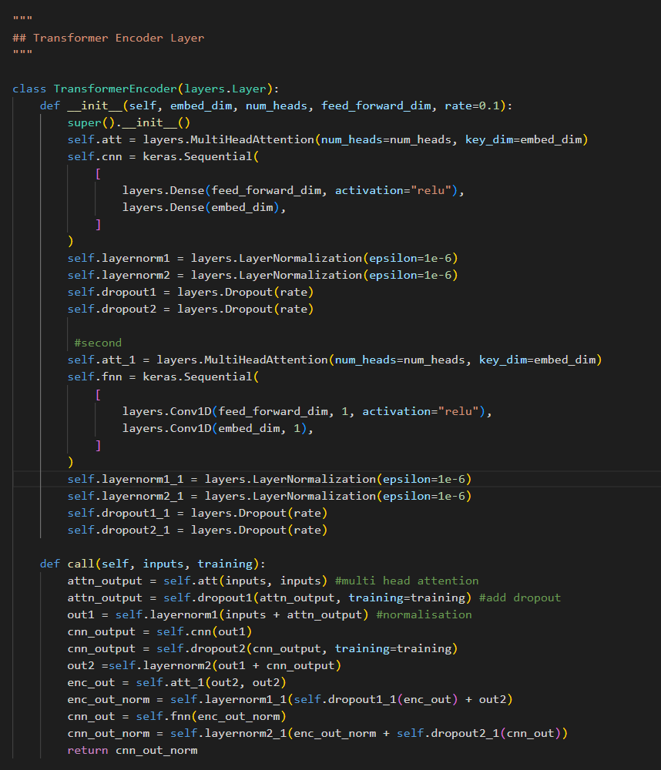
Database: UA Speech | Average WRA: 84% | Trained from scratch for 100 epoches | Epoch | WER | Epoch | WRA
Architecture: Added mutiple attention, fnn and then cnn layers |  |  | 0 | 0.984375 | 1 | 1.5625
 |  |  | 1 | 0.84375 | 2 | 15.625
 |  |  | 2 | 0.578125 | 3 | 42.1875
 |  |  | 3 | 0.40625 | 4 | 59.375
 |  |  | 4 | 0.421875 | 5 | 57.8125
 |  |  | 5 | 0.390625 | 6 | 60.9375
 |  |  | 6 | 0.375 | 7 | 62.5
 |  |  | 7 | 0.34375 | 8 | 65.625
 |  |  | 8 | 0.359375 | 9 | 64.0625
 |  |  | 9 | 0.34375 | 10 | 65.625
 |  |  | 10 | 0.328125 | 11 | 67.1875
 |  |  | 11 | 0.375 | 12 | 62.5
 |  |  | 12 | 0.328125 | 13 | 67.1875
 |  |  | 13 | 0.25 | 14 | 75
 |  |  | 14 | 0.28125 | 15 | 71.875
 |  |  | 15 | 0.25 | 16 | 75
 |  |  | 16 | 0.203125 | 17 | 79.6875
 |  |  | 17 | 0.265625 | 18 | 73.4375
 |  |  | 18 | 0.265625 | 19 | 73.4375
 |  |  | 19 | 0.234375 | 20 | 76.5625
 |  |  | 20 | 0.34375 | 21 | 65.625
 |  |  | 21 | 0.359375 | 22 | 64.0625
 |  |  | 22 | 0.3125 | 23 | 68.75
 |  |  | 23 | 0.296875 | 24 | 70.3125
 |  |  | 24 | 0.28125 | 25 | 71.875
 |  |  | 25 | 0.265625 | 26 | 73.4375
Training Accuracy vs Epoch |  |  | 26 | 0.296875 | 27 | 70.3125
 |  |  | 27 | 0.1875 | 28 | 81.25
 |  |  | 28 | 0.28125 | 29 | 71.875
Training Accuracy vs Epoch |  |  | 29 | 0.34375 | 30 | 65.625
 |  |  | 30 | 0.609375 | 31 | 39.0625
 |  |  | 31 | 0.328125 | 32 | 67.1875
 |  |  | 32 | 0.390625 | 33 | 60.9375
 |  |  | 33 | 0.203125 | 34 | 79.6875
 |  |  | 34 | 0.203125 | 35 | 79.6875
 |  |  | 35 | 0.28125 | 36 | 71.875
 |  |  | 36 | 0.171875 | 37 | 82.8125
 |  |  | 37 | 0.21875 | 38 | 78.125
 |  |  | 38 | 0.21875 | 39 | 78.125
 |  |  | 39 | 0.1875 | 40 | 81.25
 |  |  | 40 | 0.203125 | 41 | 79.6875
 |  |  | 41 | 0.203125 | 42 | 79.6875
 |  |  | 42 | 0.21875 | 43 | 78.125
 |  |  | 43 | 0.28125 | 44 | 71.875
 |  |  | 44 | 0.203125 | 45 | 79.6875
 |  |  | 45 | 0.203125 | 46 | 79.6875
Training loss vs Validation Loss |  |  | 46 | 0.265625 | 47 | 73.4375
 |  |  | 47 | 0.234375 | 48 | 76.5625
 |  |  | 48 | 0.203125 | 49 | 79.6875
 |  |  | 49 | 0.203125 | 50 | 79.6875
 |  |  | 50 | 0.265625 | 51 | 73.4375
 |  |  | 51 | 0.34375 | 52 | 65.625
 |  |  | 52 | 0.21875 | 53 | 78.125
 |  |  | 53 | 0.21875 | 54 | 78.125
 |  |  | 54 | 0.21875 | 55 | 78.125
 |  |  | 55 | 0.265625 | 56 | 73.4375
 |  |  | 56 | 0.203125 | 57 | 79.6875
 |  |  | 57 | 0.234375 | 58 | 76.5625
 |  |  | 58 | 0.203125 | 59 | 79.6875
 |  |  | 59 | 0.234375 | 60 | 76.5625
 |  |  | 60 | 0.234375 | 61 | 76.5625
 |  |  | 61 | 0.203125 | 62 | 79.6875
 |  |  | 62 | 0.203125 | 63 | 79.6875
 |  |  | 63 | 0.21875 | 64 | 78.125
 |  |  | 64 | 0.1875 | 65 | 81.25
 |  |  | 65 | 0.1875 | 66 | 81.25
 |  |  | 66 | 0.140625 | 67 | 85.9375
 |  |  | 67 | 0.21875 | 68 | 78.125
Hyperparamters and Learning Rate: |  |  | 68 | 0.203125 | 69 | 79.6875
 |  |  | 69 | 0.21875 | 70 | 78.125
 |  |  | 70 | 0.140625 | 71 | 85.9375
 |  |  | 71 | 0.203125 | 72 | 79.6875
 |  |  | 72 | 0.21875 | 73 | 78.125
 |  |  | 73 | 0.1875 | 74 | 81.25
 |  |  | 74 | 0.21875 | 75 | 78.125
 |  |  | 75 | 0.203125 | 76 | 79.6875
 |  |  | 76 | 0.171875 | 77 | 82.8125
 |  |  | 77 | 0.21875 | 78 | 78.125
 |  |  | 78 | 0.15625 | 79 | 84.375
 |  |  | 79 | 0.15625 | 80 | 84.375
 |  |  | 80 | 0.15625 | 81 | 84.375
 |  |  | 81 | 0.203125 | 82 | 79.6875
 |  |  | 82 | 0.21875 | 83 | 78.125
 |  |  | 83 | 0.1875 | 84 | 81.25
 |  |  | 84 | 0.1875 | 85 | 81.25
 |  |  | 85 | 0.171875 | 86 | 82.8125
 |  |  | 86 | 0.15625 | 87 | 84.375
 |  |  | 87 | 0.15625 | 88 | 84.375
 |  |  | 88 | 0.15625 | 89 | 84.375
 |  |  | 89 | 0.203125 | 90 | 79.6875
 |  |  | 90 | 0.15625 | 91 | 84.375
 |  |  | 91 | 0.15625 | 92 | 84.375
 |  |  | 92 | 0.1875 | 93 | 81.25
 |  |  | 93 | 0.15625 | 94 | 84.375
 |  |  | 94 | 0.1875 | 95 | 81.25
 |  |  | 95 | 0.1875 | 96 | 81.25
 |  |  | 96 | 0.1875 | 97 | 81.25
 |  |  | 97 | 0.1875 | 98 | 81.25
 |  |  | 98 | 0.1875 | 99 | 81.25
 |  |  | 99 | 0.1875 | 100 | 81.25

Three FNN
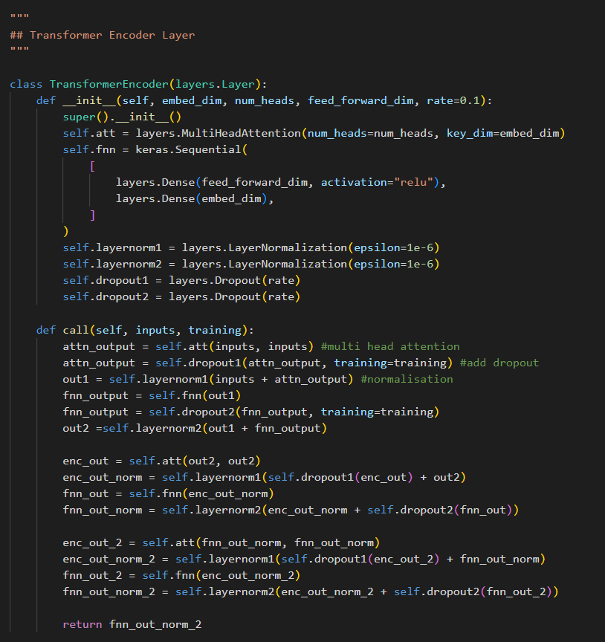
Database: UA Speech | Average WRA: 84% | Trained from scratch for 100 epoches | Epoch | WER | Epoch | WRA
Architecture: Added three mutiple attention, FNN layers |  |  | 0 | 0.984375 | 1 | 1.5625
 |  |  | 1 | 0.84375 | 2 | 15.625
 |  |  | 2 | 0.53125 | 3 | 46.875
 |  |  | 3 | 0.484375 | 4 | 51.5625
 |  |  | 4 | 0.375 | 5 | 62.5
 |  |  | 5 | 0.328125 | 6 | 67.1875
 |  |  | 6 | 0.40625 | 7 | 59.375
 |  |  | 7 | 0.3125 | 8 | 68.75
 |  |  | 8 | 0.390625 | 9 | 60.9375
 |  |  | 9 | 0.328125 | 10 | 67.1875
 |  |  | 10 | 0.28125 | 11 | 71.875
 |  |  | 11 | 0.375 | 12 | 62.5
 |  |  | 12 | 0.296875 | 13 | 70.3125
 |  |  | 13 | 0.3125 | 14 | 68.75
 |  |  | 14 | 0.28125 | 15 | 71.875
 |  |  | 15 | 0.296875 | 16 | 70.3125
 |  |  | 16 | 0.34375 | 17 | 65.625
 |  |  | 17 | 0.25 | 18 | 75
 |  |  | 18 | 0.359375 | 19 | 64.0625
 |  |  | 19 | 0.265625 | 20 | 73.4375
 |  |  | 20 | 0.28125 | 21 | 71.875
 |  |  | 21 | 0.28125 | 22 | 71.875
 |  |  | 22 | 0.21875 | 23 | 78.125
 |  |  | 23 | 0.28125 | 24 | 71.875
 |  |  | 24 | 0.265625 | 25 | 73.4375
Training Accuracy vs Epoch |  |  | 25 | 0.15625 | 26 | 84.375
 | WRA
 | 1.5625
 | 15.625
 | 46.875
 | 51.5625
 | 62.5
 | 67.1875
 | 59.375
 | 68.75
 | 60.9375
 | 67.1875
 | 71.875
 | 62.5
 | 70.3125
 | 68.75
 | 71.875
 | 70.3125
 | 65.625
 | 75
 | 64.0625
 | 73.4375
 | 71.875
 | 71.875
 | 78.125
 | 71.875
 | 73.4375
 | 84.375
 | 78.125
 | 79.6875
 | 67.1875
 | 62.5
 | 78.125
 | 48.4375
 | 53.125
 | 64.0625
 | 60.9375
 | 65.625
 | 59.375
 | 62.5
 | 67.1875
 | 64.0625
 | 71.875
 | 76.5625
 | 78.125
 | 76.5625
 | 68.75
 | 73.4375
 | 81.25
 | 73.4375
 | 73.4375
 | 75
...
 |  |  | 26 | 0.21875 | 27 | 78.125
 |  |  | 27 | 0.203125 | 28 | 79.6875
 |  |  | 28 | 0.328125 | 29 | 67.1875
 |  |  | 29 | 0.375 | 30 | 62.5
 |  |  | 30 | 0.21875 | 31 | 78.125
 |  |  | 31 | 0.515625 | 32 | 48.4375
 |  |  | 32 | 0.46875 | 33 | 53.125
 |  |  | 33 | 0.359375 | 34 | 64.0625
 |  |  | 34 | 0.390625 | 35 | 60.9375
 |  |  | 35 | 0.34375 | 36 | 65.625
 |  |  | 36 | 0.40625 | 37 | 59.375
 |  |  | 37 | 0.375 | 38 | 62.5
 |  |  | 38 | 0.328125 | 39 | 67.1875
 |  |  | 39 | 0.359375 | 40 | 64.0625
 |  |  | 40 | 0.28125 | 41 | 71.875
 |  |  | 41 | 0.234375 | 42 | 76.5625
 |  |  | 42 | 0.21875 | 43 | 78.125
Training loss vs Validation Loss |  |  | 43 | 0.234375 | 44 | 76.5625
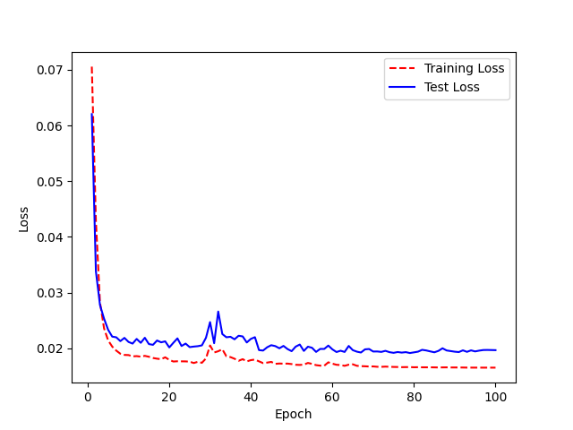
 |  |  | 44 | 0.3125 | 45 | 68.75
 |  |  | 45 | 0.265625 | 46 | 73.4375
 |  |  | 46 | 0.1875 | 47 | 81.25
 |  |  | 47 | 0.265625 | 48 | 73.4375
 |  |  | 48 | 0.265625 | 49 | 73.4375
 |  |  | 49 | 0.25 | 50 | 75
 |  |  | 50 | 0.203125 | 51 | 79.6875
 |  |  | 51 | 0.25 | 52 | 75
 |  |  | 52 | 0.203125 | 53 | 79.6875
 |  |  | 53 | 0.234375 | 54 | 76.5625
 |  |  | 54 | 0.25 | 55 | 75
 |  |  | 55 | 0.203125 | 56 | 79.6875
 |  |  | 56 | 0.28125 | 57 | 71.875
 |  |  | 57 | 0.21875 | 58 | 78.125
 |  |  | 58 | 0.25 | 59 | 75
 |  |  | 59 | 0.3125 | 60 | 68.75
 |  |  | 60 | 0.1875 | 61 | 81.25
 |  |  | 61 | 0.203125 | 62 | 79.6875
 |  |  | 62 | 0.234375 | 63 | 76.5625
 |  |  | 63 | 0.28125 | 64 | 71.875
 |  |  | 64 | 0.203125 | 65 | 79.6875
 |  |  | 65 | 0.15625 | 66 | 84.375
 |  |  | 66 | 0.203125 | 67 | 79.6875
 |  |  | 67 | 0.234375 | 68 | 76.5625
Hyperparamters and Learning Rate: |  |  | 68 | 0.21875 | 69 | 78.125
 |  |  | 69 | 0.171875 | 70 | 82.8125
 |  |  | 70 | 0.203125 | 71 | 79.6875
 |  |  | 71 | 0.171875 | 72 | 82.8125
 |  |  | 72 | 0.203125 | 73 | 79.6875
 |  |  | 73 | 0.15625 | 74 | 84.375
 |  |  | 74 | 0.171875 | 75 | 82.8125
 |  |  | 75 | 0.1875 | 76 | 81.25
 |  |  | 76 | 0.203125 | 77 | 79.6875
 |  |  | 77 | 0.1875 | 78 | 81.25
 |  |  | 78 | 0.203125 | 79 | 79.6875
 |  |  | 79 | 0.140625 | 80 | 85.9375
 |  |  | 80 | 0.171875 | 81 | 82.8125
 |  |  | 81 | 0.171875 | 82 | 82.8125
 |  |  | 82 | 0.203125 | 83 | 79.6875
 |  |  | 83 | 0.15625 | 84 | 84.375
 |  |  | 84 | 0.1875 | 85 | 81.25
 |  |  | 85 | 0.171875 | 86 | 82.8125
 |  |  | 86 | 0.140625 | 87 | 85.9375
 |  |  | 87 | 0.203125 | 88 | 79.6875
 |  |  | 88 | 0.234375 | 89 | 76.5625
 |  |  | 89 | 0.140625 | 90 | 85.9375
 |  |  | 90 | 0.171875 | 91 | 82.8125
 |  |  | 91 | 0.1875 | 92 | 81.25
 |  |  | 92 | 0.1875 | 93 | 81.25
 |  |  | 93 | 0.171875 | 94 | 82.8125
 |  |  | 94 | 0.125 | 95 | 87.5
 |  |  | 95 | 0.1875 | 96 | 81.25
 |  |  | 96 | 0.1875 | 97 | 81.25
 |  |  | 97 | 0.1875 | 98 | 81.25
 |  |  | 98 | 0.203125 | 99 | 79.6875
 |  |  | 99 | 0.203125 | 100 | 79.6875

Three FNN (Trail 2)
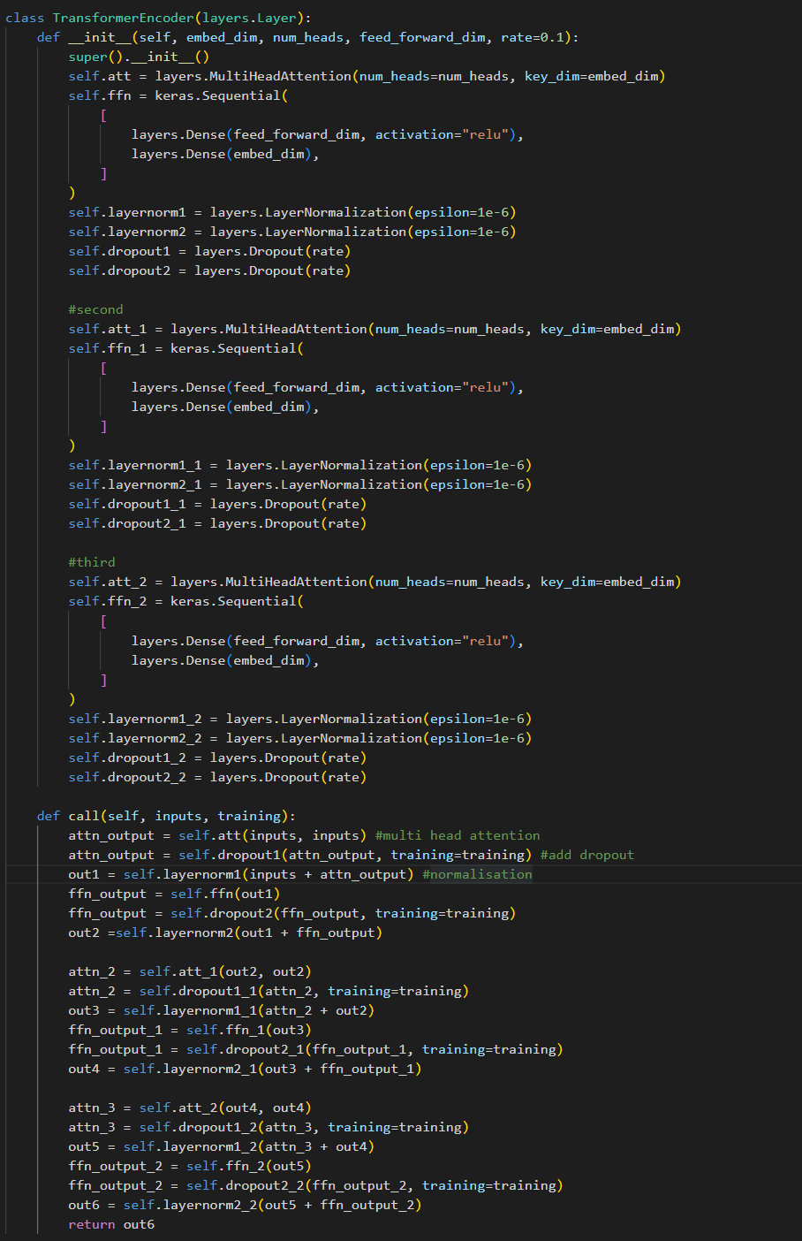
Database: UA Speech | Average WRA: 83% | Trained from scratch for 100 epoches | Epoch | WER | Epoch | WRA
Architecture: Added three mutiple attention, FNN layers |  |  | 0 | 1 | 1 | 0
 |  |  | 1 | 0.71875 | 2 | 28.125
 |  |  | 2 | 0.46875 | 3 | 53.125
 |  |  | 3 | 0.484375 | 4 | 51.5625
 |  |  | 4 | 0.46875 | 5 | 53.125
 |  |  | 5 | 0.46875 | 6 | 53.125
 |  |  | 6 | 0.421875 | 7 | 57.8125
 |  |  | 7 | 0.390625 | 8 | 60.9375
 |  |  | 8 | 0.3125 | 9 | 68.75
 |  |  | 9 | 0.375 | 10 | 62.5
 |  |  | 10 | 0.34375 | 11 | 65.625
 |  |  | 11 | 0.40625 | 12 | 59.375
 |  |  | 12 | 0.34375 | 13 | 65.625
 |  |  | 13 | 0.359375 | 14 | 64.0625
 |  |  | 14 | 0.296875 | 15 | 70.3125
 |  |  | 15 | 0.328125 | 16 | 67.1875
 |  |  | 16 | 0.234375 | 17 | 76.5625
 |  |  | 17 | 0.21875 | 18 | 78.125
 |  |  | 18 | 0.265625 | 19 | 73.4375
 |  |  | 19 | 0.234375 | 20 | 76.5625
 |  |  | 20 | 0.28125 | 21 | 71.875
 |  |  | 21 | 0.3125 | 22 | 68.75
 |  |  | 22 | 0.390625 | 23 | 60.9375
 |  |  | 23 | 0.40625 | 24 | 59.375
 |  |  | 24 | 0.375 | 25 | 62.5
 |  |  | 25 | 0.375 | 26 | 62.5
 |  |  | 26 | 0.3125 | 27 | 68.75
 |  |  | 27 | 0.375 | 28 | 62.5
 |  |  | 28 | 0.3125 | 29 | 68.75
 |  |  | 29 | 0.609375 | 30 | 39.0625
 |  |  | 30 | 0.40625 | 31 | 59.375
 |  |  | 31 | 0.34375 | 32 | 65.625
 |  |  | 32 | 0.265625 | 33 | 73.4375
 |  |  | 33 | 0.359375 | 34 | 64.0625
 |  |  | 34 | 0.3125 | 35 | 68.75
 |  |  | 35 | 0.1875 | 36 | 81.25
 |  |  | 36 | 0.265625 | 37 | 73.4375
 |  |  | 37 | 0.328125 | 38 | 67.1875
 |  |  | 38 | 0.328125 | 39 | 67.1875
 |  |  | 39 | 0.25 | 40 | 75
 |  |  | 40 | 0.234375 | 41 | 76.5625
 |  |  | 41 | 0.203125 | 42 | 79.6875
 |  |  | 42 | 0.390625 | 43 | 60.9375
 |  |  | 43 | 0.34375 | 44 | 65.625
 |  |  | 44 | 0.359375 | 45 | 64.0625
 |  |  | 45 | 0.296875 | 46 | 70.3125
Training Accuracy vs Epoch |  |  | 46 | 0.28125 | 47 | 71.875
 |  |  | 47 | 0.234375 | 48 | 76.5625
 |  |  | 48 | 0.265625 | 49 | 73.4375
 |  |  | 49 | 0.296875 | 50 | 70.3125
 |  |  | 50 | 0.265625 | 51 | 73.4375
 |  |  | 51 | 0.15625 | 52 | 84.375
 |  |  | 52 | 0.25 | 53 | 75
 |  |  | 53 | 0.3125 | 54 | 68.75
 |  |  | 54 | 0.234375 | 55 | 76.5625
 |  |  | 55 | 0.265625 | 56 | 73.4375
 |  |  | 56 | 0.296875 | 57 | 70.3125
 |  |  | 57 | 0.265625 | 58 | 73.4375
 |  |  | 58 | 0.21875 | 59 | 78.125
 |  |  | 59 | 0.25 | 60 | 75
 |  |  | 60 | 0.28125 | 61 | 71.875
 |  |  | 61 | 0.28125 | 62 | 71.875
 |  |  | 62 | 0.1875 | 63 | 81.25
Training loss vs Validation Loss |  |  | 63 | 0.21875 | 64 | 78.125
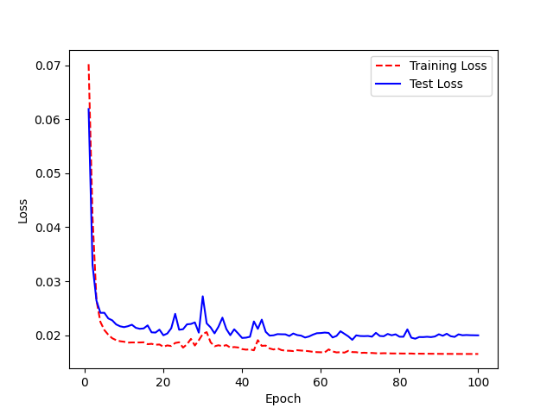
 |  |  | 64 | 0.3125 | 65 | 68.75
 |  |  | 65 | 0.28125 | 66 | 71.875
 |  |  | 66 | 0.21875 | 67 | 78.125
 |  |  | 67 | 0.203125 | 68 | 79.6875
 |  |  | 68 | 0.234375 | 69 | 76.5625
 |  |  | 69 | 0.203125 | 70 | 79.6875
 |  |  | 70 | 0.265625 | 71 | 73.4375
 |  |  | 71 | 0.171875 | 72 | 82.8125
 |  |  | 72 | 0.1875 | 73 | 81.25
 |  |  | 73 | 0.21875 | 74 | 78.125
 |  |  | 74 | 0.1875 | 75 | 81.25
 |  |  | 75 | 0.171875 | 76 | 82.8125
 |  |  | 76 | 0.25 | 77 | 75
 |  |  | 77 | 0.171875 | 78 | 82.8125
 |  |  | 78 | 0.265625 | 79 | 73.4375
 |  |  | 79 | 0.25 | 80 | 75
 |  |  | 80 | 0.21875 | 81 | 78.125
 |  |  | 81 | 0.265625 | 82 | 73.4375
 |  |  | 82 | 0.234375 | 83 | 76.5625
Hyperparamters and Learning Rate: |  |  | 83 | 0.171875 | 84 | 82.8125
 |  |  | 84 | 0.25 | 85 | 75
 |  |  | 85 | 0.203125 | 86 | 79.6875
 |  |  | 86 | 0.21875 | 87 | 78.125
 |  |  | 87 | 0.234375 | 88 | 76.5625
 |  |  | 88 | 0.25 | 89 | 75
 |  |  | 89 | 0.234375 | 90 | 76.5625
 |  |  | 90 | 0.203125 | 91 | 79.6875
 |  |  | 91 | 0.234375 | 92 | 76.5625
 |  |  | 92 | 0.1875 | 93 | 81.25
 |  |  | 93 | 0.21875 | 94 | 78.125
 |  |  | 94 | 0.203125 | 95 | 79.6875
 |  |  | 95 | 0.21875 | 96 | 78.125
 |  |  | 96 | 0.203125 | 97 | 79.6875
 |  |  | 97 | 0.203125 | 98 | 79.6875
 |  |  | 98 | 0.203125 | 99 | 79.6875
 |  |  | 99 | 0.203125 | 100 | 79.6875

SeperableConv1D
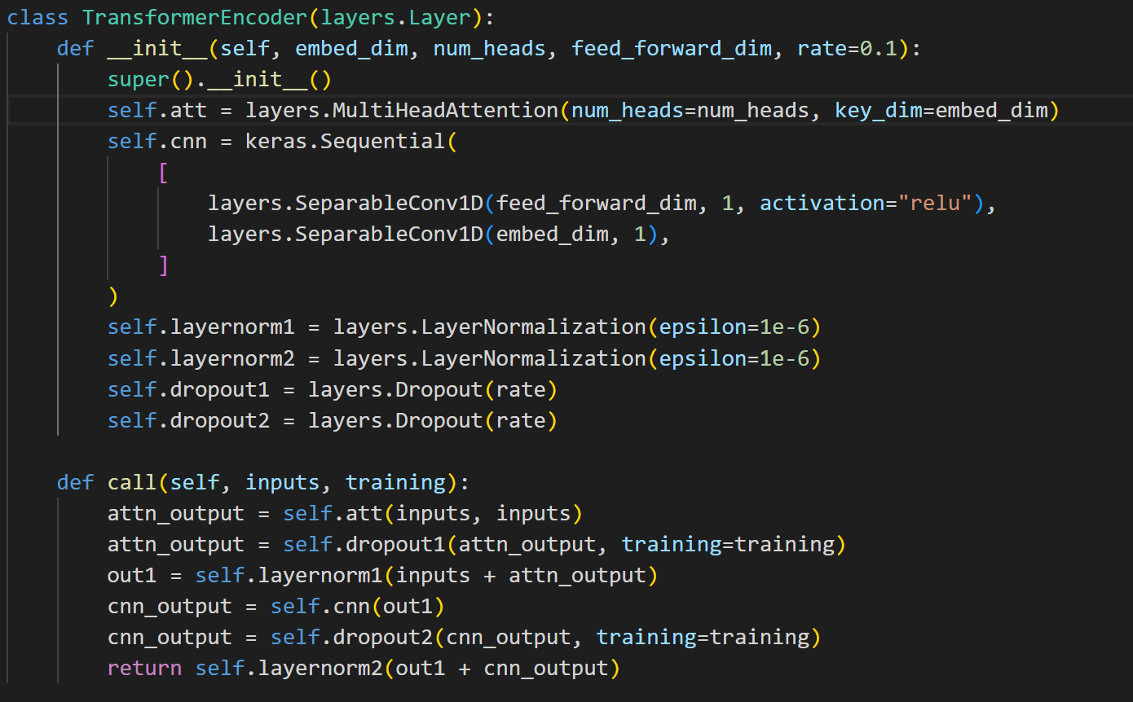
Database: UA Speech | Average WRA: 85% | Trained from scratch for 100 epoches | Epoch | WER | Epoch | WRA
Architecture: Aded Seperable CNN Sequential layers instead of Feed Forward Neural Network |  |  | 0 | 1 | 1 | 0
 |  |  | 1 | 0.796875 | 2 | 20.3125
 |  |  | 2 | 0.546875 | 3 | 45.3125
 |  |  | 3 | 0.421875 | 4 | 57.8125
 |  |  | 4 | 0.375 | 5 | 62.5
 |  |  | 5 | 0.328125 | 6 | 67.1875
 |  |  | 6 | 0.359375 | 7 | 64.0625
 |  |  | 7 | 0.359375 | 8 | 64.0625
 |  |  | 8 | 0.28125 | 9 | 71.875
 |  |  | 9 | 0.28125 | 10 | 71.875
 |  |  | 10 | 0.234375 | 11 | 76.5625
 |  |  | 11 | 0.25 | 12 | 75
 |  |  | 12 | 0.203125 | 13 | 79.6875
 |  |  | 13 | 0.140625 | 14 | 85.9375
Training Accuracy vs Epoch |  |  | 14 | 0.3125 | 15 | 68.75
 | WRA
 | 0
 | 20.3125
 | 45.3125
 | 57.8125
 | 62.5
 | 67.1875
 | 64.0625
 | 64.0625
 | 71.875
 | 71.875
 | 76.5625
 | 75
 | 79.6875
 | 85.9375
 | 68.75
 | 78.125
 | 78.125
 | 64.0625
 | 78.125
 | 81.25
 | 82.8125
 | 76.5625
 | 76.5625
 | 75
 | 75
 | 78.125
 | 79.6875
 | 78.125
 | 79.6875
 | 65.625
 | 70.3125
 | 75
 | 84.375
 | 79.6875
 | 79.6875
 | 82.8125
 | 79.6875
 | 78.125
 | 71.875
 | 78.125
 | 78.125
 | 71.875
 | 76.5625
 | 75
 | 81.25
 | 71.875
 | 84.375
 | 79.6875
 | 82.8125
 | 84.375
...
 |  |  | 15 | 0.21875 | 16 | 78.125
 |  |  | 16 | 0.21875 | 17 | 78.125
 |  |  | 17 | 0.359375 | 18 | 64.0625
 |  |  | 18 | 0.21875 | 19 | 78.125
 |  |  | 19 | 0.1875 | 20 | 81.25
 |  |  | 20 | 0.171875 | 21 | 82.8125
 |  |  | 21 | 0.234375 | 22 | 76.5625
 |  |  | 22 | 0.234375 | 23 | 76.5625
 |  |  | 23 | 0.25 | 24 | 75
 |  |  | 24 | 0.25 | 25 | 75
 |  |  | 25 | 0.21875 | 26 | 78.125
 |  |  | 26 | 0.203125 | 27 | 79.6875
 |  |  | 27 | 0.21875 | 28 | 78.125
 |  |  | 28 | 0.203125 | 29 | 79.6875
 |  |  | 29 | 0.34375 | 30 | 65.625
 |  |  | 30 | 0.296875 | 31 | 70.3125
 |  |  | 31 | 0.25 | 32 | 75
Training loss vs Validation Loss |  |  | 32 | 0.15625 | 33 | 84.375
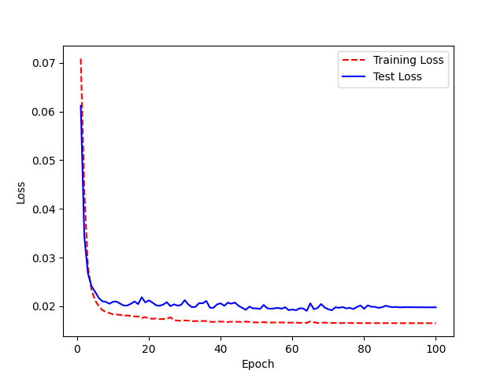
 |  |  | 33 | 0.203125 | 34 | 79.6875
 |  |  | 34 | 0.203125 | 35 | 79.6875
 |  |  | 35 | 0.171875 | 36 | 82.8125
 |  |  | 36 | 0.203125 | 37 | 79.6875
 |  |  | 37 | 0.21875 | 38 | 78.125
 |  |  | 38 | 0.28125 | 39 | 71.875
 |  |  | 39 | 0.21875 | 40 | 78.125
 |  |  | 40 | 0.21875 | 41 | 78.125
 |  |  | 41 | 0.28125 | 42 | 71.875
 |  |  | 42 | 0.234375 | 43 | 76.5625
 |  |  | 43 | 0.25 | 44 | 75
 |  |  | 44 | 0.1875 | 45 | 81.25
 |  |  | 45 | 0.28125 | 46 | 71.875
 |  |  | 46 | 0.15625 | 47 | 84.375
 |  |  | 47 | 0.203125 | 48 | 79.6875
 |  |  | 48 | 0.171875 | 49 | 82.8125
 |  |  | 49 | 0.15625 | 50 | 84.375
 |  |  | 50 | 0.21875 | 51 | 78.125
 |  |  | 51 | 0.25 | 52 | 75
 |  |  | 52 | 0.203125 | 53 | 79.6875
Hyperparamters and Learning Rate: |  |  | 53 | 0.21875 | 54 | 78.125
 |  |  | 54 | 0.171875 | 55 | 82.8125
 |  |  | 55 | 0.15625 | 56 | 84.375
 |  |  | 56 | 0.203125 | 57 | 79.6875
 |  |  | 57 | 0.171875 | 58 | 82.8125
 |  |  | 58 | 0.21875 | 59 | 78.125
 |  |  | 59 | 0.234375 | 60 | 76.5625
 |  |  | 60 | 0.1875 | 61 | 81.25
 |  |  | 61 | 0.203125 | 62 | 79.6875
 |  |  | 62 | 0.203125 | 63 | 79.6875
 |  |  | 63 | 0.15625 | 64 | 84.375
 |  |  | 64 | 0.25 | 65 | 75
 |  |  | 65 | 0.265625 | 66 | 73.4375
 |  |  | 66 | 0.265625 | 67 | 73.4375
 |  |  | 67 | 0.28125 | 68 | 71.875
 |  |  | 68 | 0.1875 | 69 | 81.25
 |  |  | 69 | 0.1875 | 70 | 81.25
 |  |  | 70 | 0.234375 | 71 | 76.5625
 |  |  | 71 | 0.1875 | 72 | 81.25
 |  |  | 72 | 0.203125 | 73 | 79.6875
 |  |  | 73 | 0.21875 | 74 | 78.125
 |  |  | 74 | 0.203125 | 75 | 79.6875
 |  |  | 75 | 0.21875 | 76 | 78.125
 |  |  | 76 | 0.203125 | 77 | 79.6875
 |  |  | 77 | 0.171875 | 78 | 82.8125
 |  |  | 78 | 0.234375 | 79 | 76.5625
 |  |  | 79 | 0.203125 | 80 | 79.6875
 |  |  | 80 | 0.234375 | 81 | 76.5625
 |  |  | 81 | 0.234375 | 82 | 76.5625
 |  |  | 82 | 0.25 | 83 | 75
 |  |  | 83 | 0.21875 | 84 | 78.125
 |  |  | 84 | 0.25 | 85 | 75
 |  |  | 85 | 0.1875 | 86 | 81.25
 |  |  | 86 | 0.265625 | 87 | 73.4375
 |  |  | 87 | 0.234375 | 88 | 76.5625
 |  |  | 88 | 0.28125 | 89 | 71.875
 |  |  | 89 | 0.265625 | 90 | 73.4375
 |  |  | 90 | 0.265625 | 91 | 73.4375
 |  |  | 91 | 0.265625 | 92 | 73.4375
 |  |  | 92 | 0.265625 | 93 | 73.4375
 |  |  | 93 | 0.265625 | 94 | 73.4375
 |  |  | 94 | 0.265625 | 95 | 73.4375
 |  |  | 95 | 0.265625 | 96 | 73.4375
 |  |  | 96 | 0.265625 | 97 | 73.4375
 |  |  | 97 | 0.265625 | 98 | 73.4375
 |  |  | 98 | 0.265625 | 99 | 73.4375
 |  |  | 99 | 0.265625 | 100 | 73.4375

Two SeperableConv1D
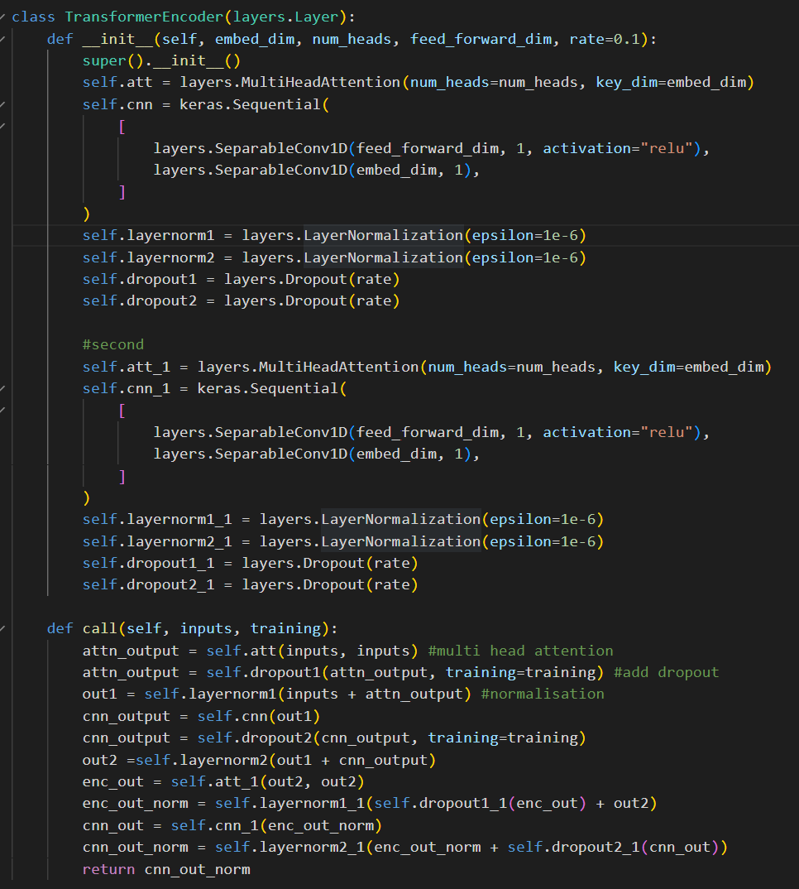
Database: UA Speech | Average WRA: 86% | Trained from scratch for 100 epoches | Epoch | WER | Epoch | WRA
Architecture: Aded Two Seperable CNN Sequential layers instead of Feed Forward Neural Network |  |  | 0 | 0.984375 | 1 | 1.5625
 |  |  | 1 | 0.828125 | 2 | 17.1875
 |  |  | 2 | 0.53125 | 3 | 46.875
 |  |  | 3 | 0.46875 | 4 | 53.125
 |  |  | 4 | 0.296875 | 5 | 70.3125
 |  |  | 5 | 0.3125 | 6 | 68.75
 |  |  | 6 | 0.296875 | 7 | 70.3125
 |  |  | 7 | 0.296875 | 8 | 70.3125
 |  |  | 8 | 0.296875 | 9 | 70.3125
 |  |  | 9 | 0.203125 | 10 | 79.6875
 |  |  | 10 | 0.25 | 11 | 75
 |  |  | 11 | 0.28125 | 12 | 71.875
 |  |  | 12 | 0.28125 | 13 | 71.875
 |  |  | 13 | 0.3125 | 14 | 68.75
 |  |  | 14 | 0.296875 | 15 | 70.3125
 |  |  | 15 | 0.265625 | 16 | 73.4375
 |  |  | 16 | 0.296875 | 17 | 70.3125
 |  |  | 17 | 0.203125 | 18 | 79.6875
 |  |  | 18 | 0.25 | 19 | 75
 |  |  | 19 | 0.265625 | 20 | 73.4375
 |  |  | 20 | 0.234375 | 21 | 76.5625
 |  |  | 21 | 0.328125 | 22 | 67.1875
 |  |  | 22 | 0.21875 | 23 | 78.125
 |  |  | 23 | 0.25 | 24 | 75
 |  |  | 24 | 0.203125 | 25 | 79.6875
 |  |  | 25 | 0.265625 | 26 | 73.4375
 |  |  | 26 | 0.25 | 27 | 75
 |  |  | 27 | 0.25 | 28 | 75
 |  |  | 28 | 0.28125 | 29 | 71.875
 |  |  | 29 | 0.203125 | 30 | 79.6875
 |  |  | 30 | 0.234375 | 31 | 76.5625
 |  |  | 31 | 0.171875 | 32 | 82.8125
 |  |  | 32 | 0.265625 | 33 | 73.4375
Training Accuracy vs Epoch |  |  | 33 | 0.203125 | 34 | 79.6875
 | WRA
 | 1.5625
 | 17.1875
 | 46.875
 | 53.125
 | 70.3125
 | 68.75
 | 70.3125
 | 70.3125
 | 70.3125
 | 79.6875
 | 75
 | 71.875
 | 71.875
 | 68.75
 | 70.3125
 | 73.4375
 | 70.3125
 | 79.6875
 | 75
 | 73.4375
 | 76.5625
 | 67.1875
 | 78.125
 | 75
 | 79.6875
 | 73.4375
 | 75
 | 75
 | 71.875
 | 79.6875
 | 76.5625
 | 82.8125
 | 73.4375
 | 79.6875
 | 79.6875
 | 76.5625
 | 84.375
 | 73.4375
 | 64.0625
 | 79.6875
 | 75
 | 76.5625
 | 81.25
 | 78.125
 | 78.125
 | 71.875
 | 82.8125
 | 79.6875
 | 64.0625
 | 78.125
...
 |  |  | 34 | 0.203125 | 35 | 79.6875
 |  |  | 35 | 0.234375 | 36 | 76.5625
 |  |  | 36 | 0.15625 | 37 | 84.375
 |  |  | 37 | 0.265625 | 38 | 73.4375
 |  |  | 38 | 0.359375 | 39 | 64.0625
 |  |  | 39 | 0.203125 | 40 | 79.6875
 |  |  | 40 | 0.25 | 41 | 75
 |  |  | 41 | 0.234375 | 42 | 76.5625
 |  |  | 42 | 0.1875 | 43 | 81.25
 |  |  | 43 | 0.21875 | 44 | 78.125
 |  |  | 44 | 0.21875 | 45 | 78.125
 |  |  | 45 | 0.28125 | 46 | 71.875
 |  |  | 46 | 0.171875 | 47 | 82.8125
 |  |  | 47 | 0.203125 | 48 | 79.6875
 |  |  | 48 | 0.359375 | 49 | 64.0625
Training loss vs Validation Loss |  |  | 49 | 0.21875 | 50 | 78.125
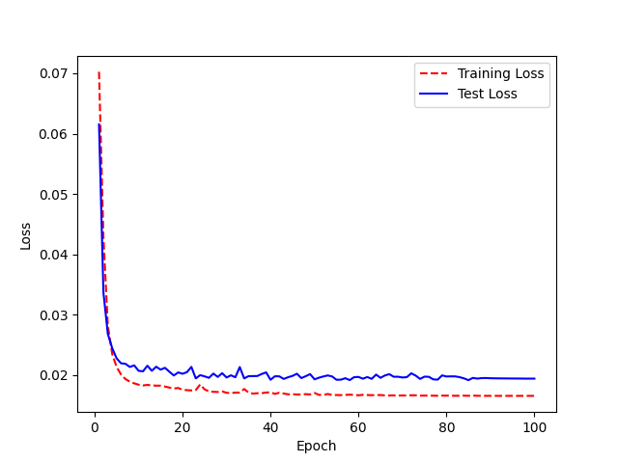
 |  |  | 50 | 0.234375 | 51 | 76.5625
 |  |  | 51 | 0.234375 | 52 | 76.5625
 |  |  | 52 | 0.25 | 53 | 75
 |  |  | 53 | 0.25 | 54 | 75
 |  |  | 54 | 0.15625 | 55 | 84.375
 |  |  | 55 | 0.1875 | 56 | 81.25
 |  |  | 56 | 0.25 | 57 | 75
 |  |  | 57 | 0.171875 | 58 | 82.8125
 |  |  | 58 | 0.234375 | 59 | 76.5625
 |  |  | 59 | 0.21875 | 60 | 78.125
 |  |  | 60 | 0.1875 | 61 | 81.25
 |  |  | 61 | 0.140625 | 62 | 85.9375
 |  |  | 62 | 0.15625 | 63 | 84.375
 |  |  | 63 | 0.203125 | 64 | 79.6875
 |  |  | 64 | 0.171875 | 65 | 82.8125
 |  |  | 65 | 0.1875 | 66 | 81.25
 |  |  | 66 | 0.21875 | 67 | 78.125
 |  |  | 67 | 0.25 | 68 | 75
 |  |  | 68 | 0.1875 | 69 | 81.25
Hyperparamters and Learning Rate: |  |  | 69 | 0.171875 | 70 | 82.8125
 |  |  | 70 | 0.203125 | 71 | 79.6875
 |  |  | 71 | 0.1875 | 72 | 81.25
 |  |  | 72 | 0.171875 | 73 | 82.8125
 |  |  | 73 | 0.171875 | 74 | 82.8125
 |  |  | 74 | 0.21875 | 75 | 78.125
 |  |  | 75 | 0.15625 | 76 | 84.375
 |  |  | 76 | 0.1875 | 77 | 81.25
 |  |  | 77 | 0.15625 | 78 | 84.375
 |  |  | 78 | 0.234375 | 79 | 76.5625
 |  |  | 79 | 0.203125 | 80 | 79.6875
 |  |  | 80 | 0.234375 | 81 | 76.5625
 |  |  | 81 | 0.25 | 82 | 75
 |  |  | 82 | 0.234375 | 83 | 76.5625
 |  |  | 83 | 0.203125 | 84 | 79.6875
 |  |  | 84 | 0.171875 | 85 | 82.8125
 |  |  | 85 | 0.21875 | 86 | 78.125
 |  |  | 86 | 0.171875 | 87 | 82.8125
 |  |  | 87 | 0.1875 | 88 | 81.25
 |  |  | 88 | 0.171875 | 89 | 82.8125
 |  |  | 89 | 0.1875 | 90 | 81.25
 |  |  | 90 | 0.1875 | 91 | 81.25
 |  |  | 91 | 0.1875 | 92 | 81.25
 |  |  | 92 | 0.1875 | 93 | 81.25
 |  |  | 93 | 0.1875 | 94 | 81.25
 |  |  | 94 | 0.1875 | 95 | 81.25
 |  |  | 95 | 0.1875 | 96 | 81.25
 |  |  | 96 | 0.1875 | 97 | 81.25
 |  |  | 97 | 0.1875 | 98 | 81.25
 |  |  | 98 | 0.1875 | 99 | 81.25
 |  |  | 99 | 0.1875 | 100 | 81.25

Three SeperableConv1D
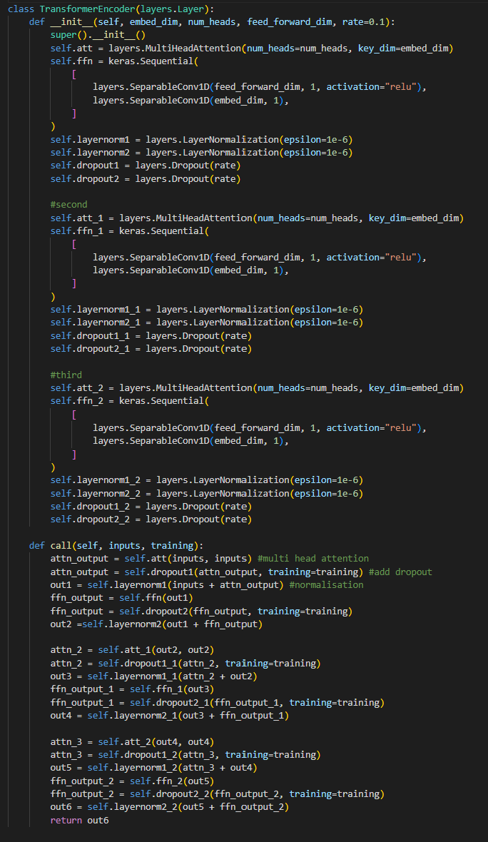
Database: UA Speech | Average WRA: 84% | Trained from scratch for 100 epoches | Epoch | WER | Epoch | WRA
Architecture: Aded Three Seperable CNN Sequential layers instead of Feed Forward Neural Network |  |  | 0 | 1 | 1 | 0
 |  |  | 1 | 0.859375 | 2 | 14.0625
 |  |  | 2 | 0.578125 | 3 | 42.1875
 |  |  | 3 | 0.484375 | 4 | 51.5625
 |  |  | 4 | 0.359375 | 5 | 64.0625
 |  |  | 5 | 0.328125 | 6 | 67.1875
 |  |  | 6 | 0.359375 | 7 | 64.0625
 |  |  | 7 | 0.390625 | 8 | 60.9375
 |  |  | 8 | 0.28125 | 9 | 71.875
 |  |  | 9 | 0.34375 | 10 | 65.625
 |  |  | 10 | 0.390625 | 11 | 60.9375
 |  |  | 11 | 0.359375 | 12 | 64.0625
 |  |  | 12 | 0.296875 | 13 | 70.3125
 |  |  | 13 | 0.296875 | 14 | 70.3125
 |  |  | 14 | 0.234375 | 15 | 76.5625
 |  |  | 15 | 0.203125 | 16 | 79.6875
 |  |  | 16 | 0.28125 | 17 | 71.875
 |  |  | 17 | 0.296875 | 18 | 70.3125
 |  |  | 18 | 0.265625 | 19 | 73.4375
 |  |  | 19 | 0.296875 | 20 | 70.3125
 |  |  | 20 | 0.3125 | 21 | 68.75
 |  |  | 21 | 0.21875 | 22 | 78.125
 |  |  | 22 | 0.453125 | 23 | 54.6875
 |  |  | 23 | 0.328125 | 24 | 67.1875
 |  |  | 24 | 0.21875 | 25 | 78.125
 |  |  | 25 | 0.34375 | 26 | 65.625
 |  |  | 26 | 0.234375 | 27 | 76.5625
 |  |  | 27 | 0.1875 | 28 | 81.25
 |  |  | 28 | 0.59375 | 29 | 40.625
 |  |  | 29 | 0.28125 | 30 | 71.875
 |  |  | 30 | 0.1875 | 31 | 81.25
 |  |  | 31 | 0.1875 | 32 | 81.25
 |  |  | 32 | 0.171875 | 33 | 82.8125
 |  |  | 33 | 0.265625 | 34 | 73.4375
 |  |  | 34 | 0.25 | 35 | 75
 |  |  | 35 | 0.28125 | 36 | 71.875
 |  |  | 36 | 0.21875 | 37 | 78.125
 |  |  | 37 | 0.28125 | 38 | 71.875
 |  |  | 38 | 0.15625 | 39 | 84.375
 |  |  | 39 | 0.1875 | 40 | 81.25
 |  |  | 40 | 0.234375 | 41 | 76.5625
 |  |  | 41 | 0.203125 | 42 | 79.6875
 |  |  | 42 | 0.15625 | 43 | 84.375
 |  |  | 43 | 0.1875 | 44 | 81.25
 |  |  | 44 | 0.15625 | 45 | 84.375
Training Accuracy vs Epoch |  |  | 45 | 0.171875 | 46 | 82.8125
 | WRA
 | 0
 | 14.0625
 | 42.1875
 | 51.5625
 | 64.0625
 | 67.1875
 | 64.0625
 | 60.9375
 | 71.875
 | 65.625
 | 60.9375
 | 64.0625
 | 70.3125
 | 70.3125
 | 76.5625
 | 79.6875
 | 71.875
 | 70.3125
 | 73.4375
 | 70.3125
 | 68.75
 | 78.125
 | 54.6875
 | 67.1875
 | 78.125
 | 65.625
 | 76.5625
 | 81.25
 | 40.625
 | 71.875
 | 81.25
 | 81.25
 | 82.8125
 | 73.4375
 | 75
 | 71.875
 | 78.125
 | 71.875
 | 84.375
 | 81.25
 | 76.5625
 | 79.6875
 | 84.375
 | 81.25
 | 84.375
 | 82.8125
 | 84.375
 | 84.375
 | 84.375
 | 79.6875
...
 |  |  | 46 | 0.15625 | 47 | 84.375
 |  |  | 47 | 0.15625 | 48 | 84.375
 |  |  | 48 | 0.15625 | 49 | 84.375
 |  |  | 49 | 0.203125 | 50 | 79.6875
 |  |  | 50 | 0.15625 | 51 | 84.375
 |  |  | 51 | 0.25 | 52 | 75
 |  |  | 52 | 0.140625 | 53 | 85.9375
 |  |  | 53 | 0.078125 | 54 | 92.1875
 |  |  | 54 | 0.09375 | 55 | 90.625
 |  |  | 55 | 0.125 | 56 | 87.5
 |  |  | 56 | 0.15625 | 57 | 84.375
 |  |  | 57 | 0.109375 | 58 | 89.0625
 |  |  | 58 | 0.15625 | 59 | 84.375
 |  |  | 59 | 0.1875 | 60 | 81.25
 |  |  | 60 | 0.203125 | 61 | 79.6875
Training loss vs Validation Loss |  |  | 61 | 0.125 | 62 | 87.5
 |  |  | 62 | 0.1875 | 63 | 81.25
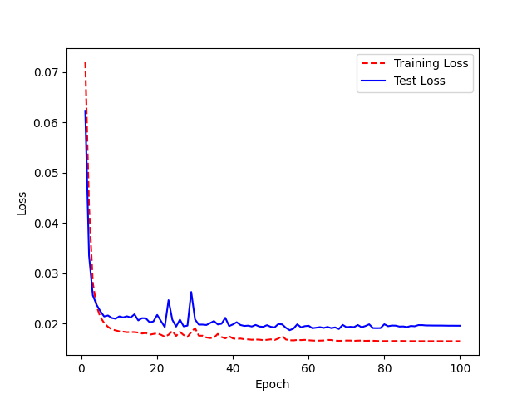
 |  |  | 63 | 0.140625 | 64 | 85.9375
 |  |  | 64 | 0.21875 | 65 | 78.125
 |  |  | 65 | 0.09375 | 66 | 90.625
 |  |  | 66 | 0.125 | 67 | 87.5
 |  |  | 67 | 0.109375 | 68 | 89.0625
 |  |  | 68 | 0.171875 | 69 | 82.8125
 |  |  | 69 | 0.109375 | 70 | 89.0625
 |  |  | 70 | 0.140625 | 71 | 85.9375
 |  |  | 71 | 0.125 | 72 | 87.5
 |  |  | 72 | 0.171875 | 73 | 82.8125
 |  |  | 73 | 0.15625 | 74 | 84.375
 |  |  | 74 | 0.1875 | 75 | 81.25
 |  |  | 75 | 0.203125 | 76 | 79.6875
 |  |  | 76 | 0.109375 | 77 | 89.0625
 |  |  | 77 | 0.109375 | 78 | 89.0625
 |  |  | 78 | 0.125 | 79 | 87.5
 |  |  | 79 | 0.140625 | 80 | 85.9375
 |  |  | 80 | 0.140625 | 81 | 85.9375
 |  |  | 81 | 0.15625 | 82 | 84.375
Hyperparamters and Learning Rate: |  |  | 82 | 0.171875 | 83 | 82.8125
 |  |  | 83 | 0.140625 | 84 | 85.9375
 |  |  | 84 | 0.15625 | 85 | 84.375
 |  |  | 85 | 0.15625 | 86 | 84.375
 |  |  | 86 | 0.15625 | 87 | 84.375
 |  |  | 87 | 0.15625 | 88 | 84.375
 |  |  | 88 | 0.15625 | 89 | 84.375
 |  |  | 89 | 0.15625 | 90 | 84.375
 |  |  | 90 | 0.140625 | 91 | 85.9375
 |  |  | 91 | 0.140625 | 92 | 85.9375
 |  |  | 92 | 0.140625 | 93 | 85.9375
 |  |  | 93 | 0.140625 | 94 | 85.9375
 |  |  | 94 | 0.140625 | 95 | 85.9375
 |  |  | 95 | 0.15625 | 96 | 84.375
 |  |  | 96 | 0.15625 | 97 | 84.375
 |  |  | 97 | 0.15625 | 98 | 84.375
 |  |  | 98 | 0.15625 | 99 | 84.375
 |  |  | 99 | 0.15625 | 100 | 84.375

Two CNN no attention
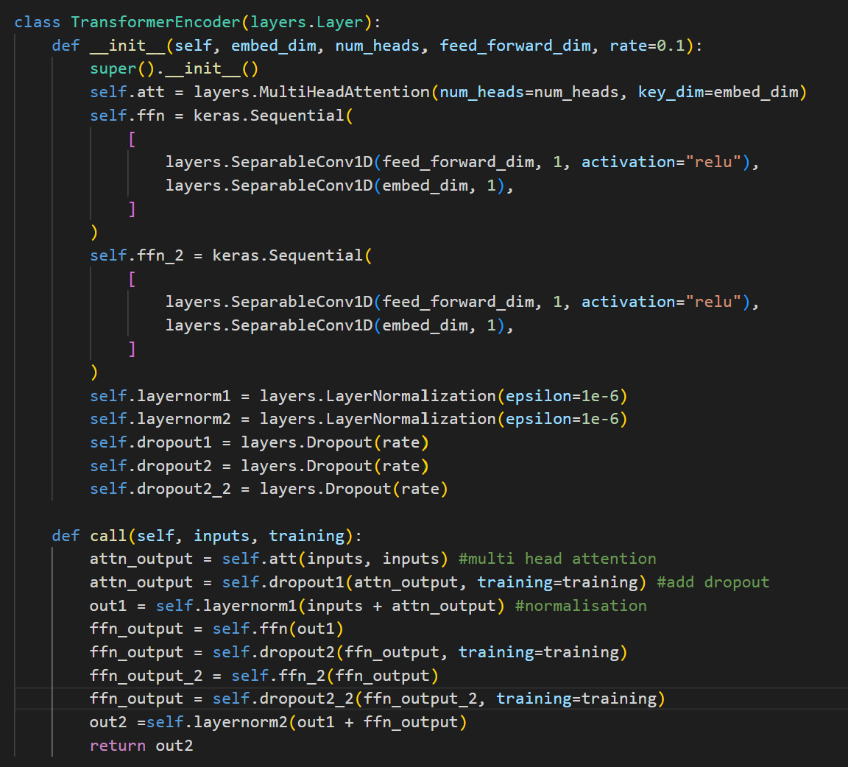
Database: UA Speech | Average WRA: 84% | Trained from scratch for 100 epoches | Epoch | WER | Epoch | WRA
Architecture: Aded Two Seperable CNN Sequential layers with no attention layers |  |  | 0 | 1 | 1 | 0
 |  |  | 1 | 0.78125 | 2 | 21.875
 |  |  | 2 | 0.59375 | 3 | 40.625
 |  |  | 3 | 0.484375 | 4 | 51.5625
 |  |  | 4 | 0.34375 | 5 | 65.625
 |  |  | 5 | 0.328125 | 6 | 67.1875
 |  |  | 6 | 0.34375 | 7 | 65.625
 |  |  | 7 | 0.296875 | 8 | 70.3125
 |  |  | 8 | 0.328125 | 9 | 67.1875
 |  |  | 9 | 0.265625 | 10 | 73.4375
 |  |  | 10 | 0.3125 | 11 | 68.75
 |  |  | 11 | 0.28125 | 12 | 71.875
 |  |  | 12 | 0.296875 | 13 | 70.3125
 |  |  | 13 | 0.28125 | 14 | 71.875
 |  |  | 14 | 0.359375 | 15 | 64.0625
 |  |  | 15 | 0.390625 | 16 | 60.9375
 |  |  | 16 | 0.28125 | 17 | 71.875
 |  |  | 17 | 0.34375 | 18 | 65.625
 |  |  | 18 | 0.1875 | 19 | 81.25
 |  |  | 19 | 0.265625 | 20 | 73.4375
 |  |  | 20 | 0.296875 | 21 | 70.3125
 |  |  | 21 | 0.390625 | 22 | 60.9375
 |  |  | 22 | 0.359375 | 23 | 64.0625
 |  |  | 23 | 0.265625 | 24 | 73.4375
 |  |  | 24 | 0.234375 | 25 | 76.5625
 |  |  | 25 | 0.328125 | 26 | 67.1875
 |  |  | 26 | 0.28125 | 27 | 71.875
 |  |  | 27 | 0.421875 | 28 | 57.8125
 |  |  | 28 | 0.25 | 29 | 75
Training Accuracy vs Epoch |  |  | 29 | 0.328125 | 30 | 67.1875
 | WRA
 | 0
 | 21.875
 | 40.625
 | 51.5625
 | 65.625
 | 67.1875
 | 65.625
 | 70.3125
 | 67.1875
 | 73.4375
 | 68.75
 | 71.875
 | 70.3125
 | 71.875
 | 64.0625
 | 60.9375
 | 71.875
 | 65.625
 | 81.25
 | 73.4375
 | 70.3125
 | 60.9375
 | 64.0625
 | 73.4375
 | 76.5625
 | 67.1875
 | 71.875
 | 57.8125
 | 75
 | 67.1875
 | 73.4375
 | 64.0625
 | 62.5
 | 75
 | 79.6875
 | 68.75
 | 81.25
 | 71.875
 | 79.6875
 | 73.4375
 | 76.5625
 | 76.5625
 | 78.125
 | 71.875
 | 79.6875
 | 75
 | 82.8125
 | 82.8125
 | 81.25
 | 79.6875
...
 |  |  | 30 | 0.265625 | 31 | 73.4375
 |  |  | 31 | 0.359375 | 32 | 64.0625
 |  |  | 32 | 0.375 | 33 | 62.5
 |  |  | 33 | 0.25 | 34 | 75
 |  |  | 34 | 0.203125 | 35 | 79.6875
 |  |  | 35 | 0.3125 | 36 | 68.75
 |  |  | 36 | 0.1875 | 37 | 81.25
 |  |  | 37 | 0.28125 | 38 | 71.875
 |  |  | 38 | 0.203125 | 39 | 79.6875
 |  |  | 39 | 0.265625 | 40 | 73.4375
 |  |  | 40 | 0.234375 | 41 | 76.5625
 |  |  | 41 | 0.234375 | 42 | 76.5625
 |  |  | 42 | 0.21875 | 43 | 78.125
 |  |  | 43 | 0.28125 | 44 | 71.875
 |  |  | 44 | 0.203125 | 45 | 79.6875
 |  |  | 45 | 0.25 | 46 | 75
 |  |  | 46 | 0.171875 | 47 | 82.8125
 |  |  | 47 | 0.171875 | 48 | 82.8125
Training loss vs Validation Loss |  |  | 48 | 0.1875 | 49 | 81.25
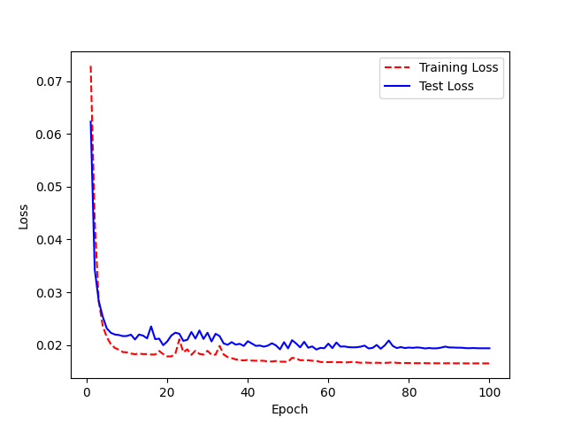
 |  |  | 49 | 0.203125 | 50 | 79.6875
 |  |  | 50 | 0.234375 | 51 | 76.5625
 |  |  | 51 | 0.25 | 52 | 75
 |  |  | 52 | 0.203125 | 53 | 79.6875
 |  |  | 53 | 0.21875 | 54 | 78.125
 |  |  | 54 | 0.203125 | 55 | 79.6875
 |  |  | 55 | 0.15625 | 56 | 84.375
 |  |  | 56 | 0.140625 | 57 | 85.9375
 |  |  | 57 | 0.15625 | 58 | 84.375
 |  |  | 58 | 0.171875 | 59 | 82.8125
 |  |  | 59 | 0.203125 | 60 | 79.6875
 |  |  | 60 | 0.15625 | 61 | 84.375
 |  |  | 61 | 0.234375 | 62 | 76.5625
 |  |  | 62 | 0.21875 | 63 | 78.125
 |  |  | 63 | 0.171875 | 64 | 82.8125
 |  |  | 64 | 0.171875 | 65 | 82.8125
 |  |  | 65 | 0.140625 | 66 | 85.9375
 |  |  | 66 | 0.140625 | 67 | 85.9375
 |  |  | 67 | 0.125 | 68 | 87.5
 |  |  | 68 | 0.140625 | 69 | 85.9375
Hyperparamters and Learning Rate: |  |  | 69 | 0.15625 | 70 | 84.375
 |  |  | 70 | 0.15625 | 71 | 84.375
 |  |  | 71 | 0.1875 | 72 | 81.25
 |  |  | 72 | 0.125 | 73 | 87.5
 |  |  | 73 | 0.140625 | 74 | 85.9375
 |  |  | 74 | 0.21875 | 75 | 78.125
 |  |  | 75 | 0.125 | 76 | 87.5
 |  |  | 76 | 0.125 | 77 | 87.5
 |  |  | 77 | 0.15625 | 78 | 84.375
 |  |  | 78 | 0.140625 | 79 | 85.9375
 |  |  | 79 | 0.125 | 80 | 87.5
 |  |  | 80 | 0.171875 | 81 | 82.8125
 |  |  | 81 | 0.171875 | 82 | 82.8125
 |  |  | 82 | 0.171875 | 83 | 82.8125
 |  |  | 83 | 0.15625 | 84 | 84.375
 |  |  | 84 | 0.125 | 85 | 87.5
 |  |  | 85 | 0.140625 | 86 | 85.9375
 |  |  | 86 | 0.171875 | 87 | 82.8125
 |  |  | 87 | 0.15625 | 88 | 84.375
 |  |  | 88 | 0.140625 | 89 | 85.9375
 |  |  | 89 | 0.15625 | 90 | 84.375
 |  |  | 90 | 0.15625 | 91 | 84.375
 |  |  | 91 | 0.140625 | 92 | 85.9375
 |  |  | 92 | 0.15625 | 93 | 84.375
 |  |  | 93 | 0.140625 | 94 | 85.9375
 |  |  | 94 | 0.140625 | 95 | 85.9375
 |  |  | 95 | 0.125 | 96 | 87.5
 |  |  | 96 | 0.140625 | 97 | 85.9375
 |  |  | 97 | 0.140625 | 98 | 85.9375
 |  |  | 98 | 0.140625 | 99 | 85.9375
 |  |  | 99 | 0.125 | 100 | 87.5
 |  |  | <__main__.DisplayOutputs object at 0x7fce47d49af0> | 0.125
 |  |  | <__main__.DisplayOutputs object at 0x7fce47d49af0> | 0.171875
 |  |  | <__main__.DisplayOutputs object at 0x7fce47d49af0> | 0.078125
 |  |  | <__main__.DisplayOutputs object at 0x7fce47d49af0> | 0.203125
 |  |  | <__main__.DisplayOutputs object at 0x7fce47d49af0> | 0.171875
 |  |  | <__main__.DisplayOutputs object at 0x7fce47d49af0> | 0.125
 |  |  | <__main__.DisplayOutputs object at 0x7fce47d49af0> | 0.125
 |  |  | <__main__.DisplayOutputs object at 0x7fce47d49af0> | 0.25
 |  |  | <__main__.DisplayOutputs object at 0x7fce47d49af0> | 0.125
 |  |  | <__main__.DisplayOutputs object at 0x7fce47d49af0> | 0.1875
 |  |  | <__main__.DisplayOutputs object at 0x7fce47d49af0> | 0.078125
 |  |  | <__main__.DisplayOutputs object at 0x7fce47d49af0> | 0.203125
 |  |  | <__main__.DisplayOutputs object at 0x7fce47d49af0> | 0.171875
 |  |  | <__main__.DisplayOutputs object at 0x7fce47d49af0> | 0.09375
 |  |  | <__main__.DisplayOutputs object at 0x7fce47d49af0> | 0.15625
 |  |  | <__main__.DisplayOutputs object at 0x7fce47d49af0> | 0.171875
 |  |  | <__main__.DisplayOutputs object at 0x7fce47d49af0> | 0.1875
 |  |  | <__main__.DisplayOutputs object at 0x7fce47d49af0> | 0.140625
 |  |  | <__main__.DisplayOutputs object at 0x7fce47d49af0> | 0.21875
 |  |  | <__main__.DisplayOutputs object at 0x7fce47d49af0> | 0.171875
 |  |  | <__main__.DisplayOutputs object at 0x7fce47d49af0> | 0.09375
 |  |  | <__main__.DisplayOutputs object at 0x7fce47d49af0> | 0.171875
 |  |  | <__main__.DisplayOutputs object at 0x7fce47d49af0> | 0.140625
 |  |  | <__main__.DisplayOutputs object at 0x7fce47d49af0> | 0.140625
 |  |  | <__main__.DisplayOutputs object at 0x7fce47d49af0> | 0.125
 |  |  | <__main__.DisplayOutputs object at 0x7fce47d49af0> | 0.171875
 |  |  | <__main__.DisplayOutputs object at 0x7fce47d49af0> | 0.234375
 |  |  | <__main__.DisplayOutputs object at 0x7fce47d49af0> | 0.125
 |  |  | <__main__.DisplayOutputs object at 0x7fce47d49af0> | 0.21875
 |  |  | <__main__.DisplayOutputs object at 0x7fce47d49af0> | 0.1875
 |  |  | <__main__.DisplayOutputs object at 0x7fce47d49af0> | 0.1875
 |  |  | <__main__.DisplayOutputs object at 0x7fce47d49af0> | 0.171875
 |  |  | <__main__.DisplayOutputs object at 0x7fce47d49af0> | 0.15625
 |  |  | <__main__.DisplayOutputs object at 0x7fce47d49af0> | 0.125
 |  |  | <__main__.DisplayOutputs object at 0x7fce47d49af0> | 0.140625
 |  |  | <__main__.DisplayOutputs object at 0x7fce47d49af0> | 0.203125
 |  |  | <__main__.DisplayOutputs object at 0x7fce47d49af0> | 0.125
 |  |  | <__main__.DisplayOutputs object at 0x7fce47d49af0> | 0.125
 |  |  | <__main__.DisplayOutputs object at 0x7fce47d49af0> | 0.140625
 |  |  | <__main__.DisplayOutputs object at 0x7fce47d49af0> | 0.109375
 |  |  | <__main__.DisplayOutputs object at 0x7fce47d49af0> | 0.125
 |  |  | <__main__.DisplayOutputs object at 0x7fce47d49af0> | 0.1875
 |  |  | <__main__.DisplayOutputs object at 0x7fce47d49af0> | 0.109375
 |  |  | <__main__.DisplayOutputs object at 0x7fce47d49af0> | 0.1875
 |  |  | <__main__.DisplayOutputs object at 0x7fce47d49af0> | 0.234375
 |  |  | <__main__.DisplayOutputs object at 0x7fce47d49af0> | 0.15625
 |  |  | <__main__.DisplayOutputs object at 0x7fce47d49af0> | 0.203125
 |  |  | <__main__.DisplayOutputs object at 0x7fce47d49af0> | 0.125
 |  |  | <__main__.DisplayOutputs object at 0x7fce47d49af0> | 0.15625
 |  |  | <__main__.DisplayOutputs object at 0x7fce47d49af0> | 0.140625
 |  |  | <__main__.DisplayOutputs object at 0x7fce47d49af0> | 0.12727272727

Final Architecture
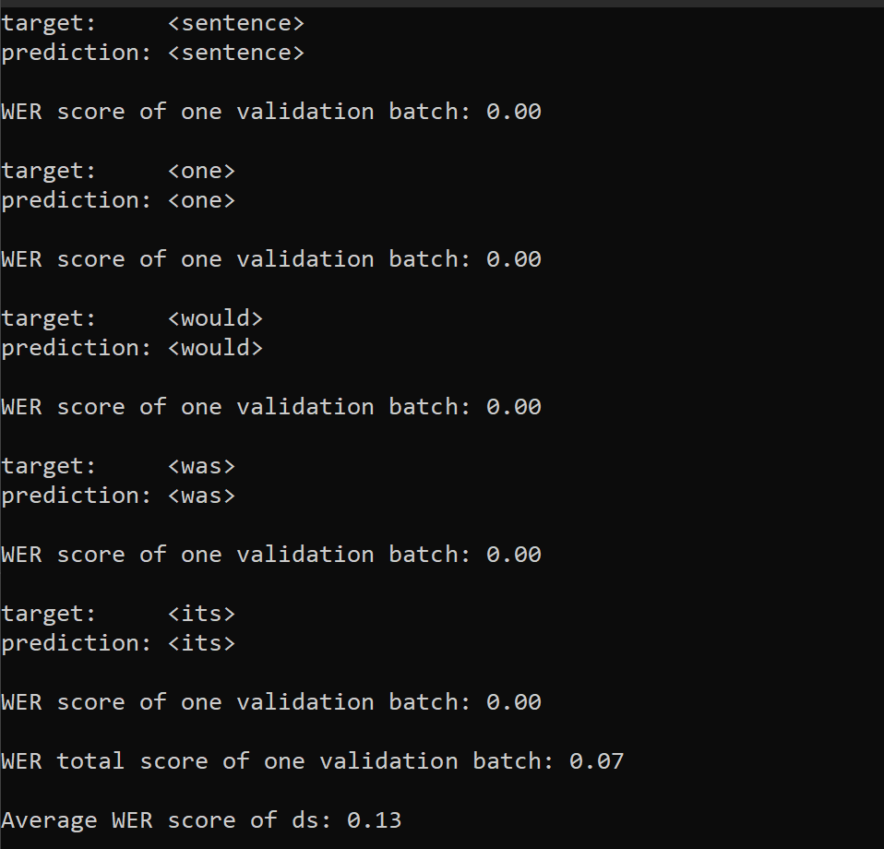
Database: UA Speech | Average WRA: 87% | Trained from scratch for 100 epoches | Epoch | WER | Epoch | WRA
Architecture: Aded Two Seperable CNN Sequential layers instead of Feed Forward Neural Network |  |  | 0 | 1 | 1 | 0
 |  |  | 1 | 0.828125 | 2 | 17.1875
 |  |  | 2 | 0.40625 | 3 | 59.375
 |  |  | 3 | 0.390625 | 4 | 60.9375
 |  |  | 4 | 0.3125 | 5 | 68.75
 |  |  | 5 | 0.296875 | 6 | 70.3125
 |  |  | 6 | 0.328125 | 7 | 67.1875
 |  |  | 7 | 0.296875 | 8 | 70.3125
 |  |  | 8 | 0.25 | 9 | 75
 |  |  | 9 | 0.375 | 10 | 62.5
 |  |  | 10 | 0.25 | 11 | 75
 |  |  | 11 | 0.25 | 12 | 75
 |  |  | 12 | 0.28125 | 13 | 71.875
 |  |  | 13 | 0.296875 | 14 | 70.3125
 |  |  | 14 | 0.328125 | 15 | 67.1875
 |  |  | 15 | 0.359375 | 16 | 64.0625
 |  |  | 16 | 0.375 | 17 | 62.5
 |  |  | 17 | 0.28125 | 18 | 71.875
 |  |  | 18 | 0.265625 | 19 | 73.4375
 |  |  | 19 | 0.359375 | 20 | 64.0625
 |  |  | 20 | 0.21875 | 21 | 78.125
 |  |  | 21 | 0.328125 | 22 | 67.1875
 |  |  | 22 | 0.25 | 23 | 75
 |  |  | 23 | 0.21875 | 24 | 78.125
 |  |  | 24 | 0.265625 | 25 | 73.4375
 |  |  | 25 | 0.21875 | 26 | 78.125
 |  |  | 26 | 0.203125 | 27 | 79.6875
 |  |  | 27 | 0.171875 | 28 | 82.8125
 |  |  | 28 | 0.25 | 29 | 75
 |  |  | 29 | 0.1875 | 30 | 81.25
 |  |  | 30 | 0.3125 | 31 | 68.75
 |  |  | 31 | 0.15625 | 32 | 84.375
 |  |  | 32 | 0.1875 | 33 | 81.25
Training Accuracy vs Epoch |  |  | 33 | 0.171875 | 34 | 82.8125
WRA
 |  |  | 34 | 0.171875 | 35 | 82.8125
 |  |  | 35 | 0.15625 | 36 | 84.375
 |  |  | 36 | 0.171875 | 37 | 82.8125
 |  |  | 37 | 0.25 | 38 | 75
 |  |  | 38 | 0.171875 | 39 | 82.8125
 |  |  | 39 | 0.25 | 40 | 75
 |  |  | 40 | 0.265625 | 41 | 73.4375
 |  |  | 41 | 0.28125 | 42 | 71.875
 |  |  | 42 | 0.21875 | 43 | 78.125
 |  |  | 43 | 0.1875 | 44 | 81.25
 |  |  | 44 | 0.171875 | 45 | 82.8125
 |  |  | 45 | 0.125 | 46 | 87.5
 |  |  | 46 | 0.125 | 47 | 87.5
 |  |  | 47 | 0.140625 | 48 | 85.9375
 |  |  | 48 | 0.1875 | 49 | 81.25
Training loss vs Validation Loss |  |  | 49 | 0.140625 | 50 | 85.9375
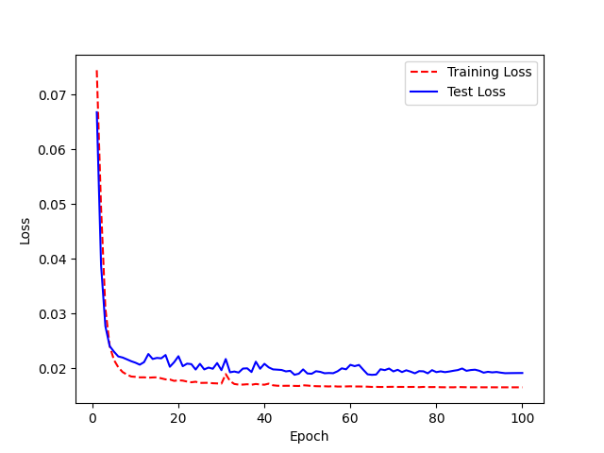
 |  |  | 50 | 0.171875 | 51 | 82.8125
 |  |  | 51 | 0.140625 | 52 | 85.9375
 |  |  | 52 | 0.1875 | 53 | 81.25
 |  |  | 53 | 0.140625 | 54 | 85.9375
 |  |  | 54 | 0.203125 | 55 | 79.6875
 |  |  | 55 | 0.15625 | 56 | 84.375
 |  |  | 56 | 0.1875 | 57 | 81.25
 |  |  | 57 | 0.171875 | 58 | 82.8125
 |  |  | 58 | 0.140625 | 59 | 85.9375
 |  |  | 59 | 0.1875 | 60 | 81.25
 |  |  | 60 | 0.140625 | 61 | 85.9375
 |  |  | 61 | 0.25 | 62 | 75
 |  |  | 62 | 0.15625 | 63 | 84.375
 |  |  | 63 | 0.125 | 64 | 87.5
 |  |  | 64 | 0.109375 | 65 | 89.0625
 |  |  | 65 | 0.078125 | 66 | 92.1875
 |  |  | 66 | 0.140625 | 67 | 85.9375
 |  |  | 67 | 0.125 | 68 | 87.5
 |  |  | 68 | 0.1875 | 69 | 81.25
Hyperparamters and Learning Rate: |  |  | 69 | 0.140625 | 70 | 85.9375
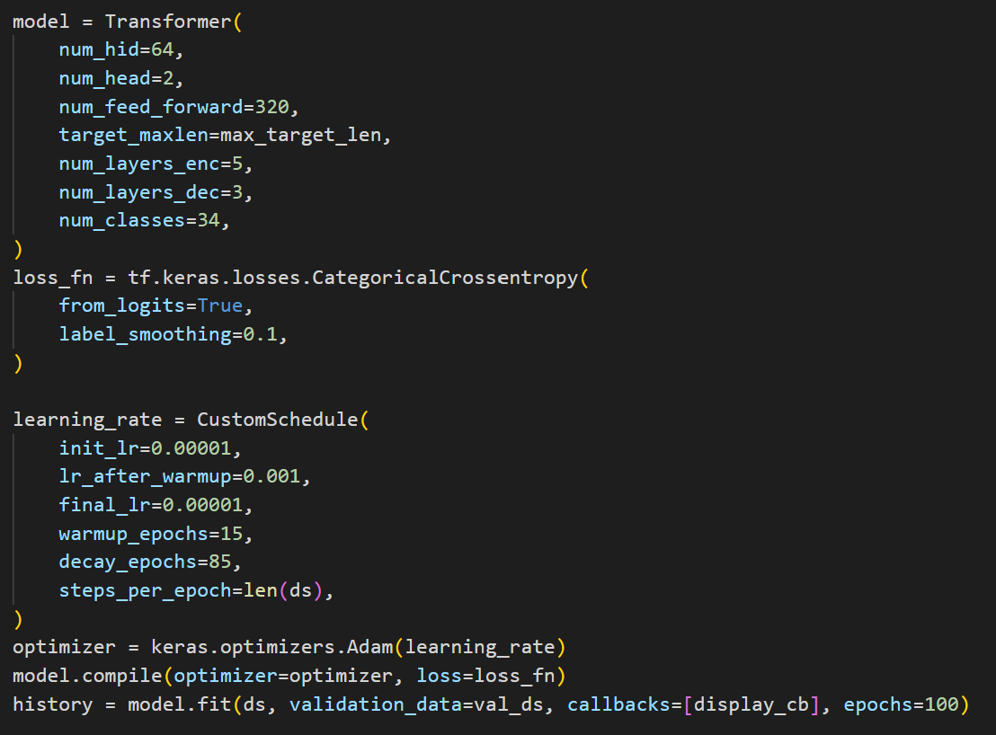
 |  |  | 70 | 0.140625 | 71 | 85.9375
 |  |  | 71 | 0.171875 | 72 | 82.8125
 |  |  | 72 | 0.125 | 73 | 87.5
 |  |  | 73 | 0.15625 | 74 | 84.375
 |  |  | 74 | 0.125 | 75 | 87.5
 |  |  | 75 | 0.140625 | 76 | 85.9375
 |  |  | 76 | 0.15625 | 77 | 84.375
 |  |  | 77 | 0.125 | 78 | 87.5
 |  |  | 78 | 0.09375 | 79 | 90.625
 |  |  | 79 | 0.078125 | 80 | 92.1875
 |  |  | 80 | 0.109375 | 81 | 89.0625
 |  |  | 81 | 0.109375 | 82 | 89.0625
 |  |  | 82 | 0.109375 | 83 | 89.0625
 |  |  | 83 | 0.09375 | 84 | 90.625
 |  |  | 84 | 0.109375 | 85 | 89.0625
 |  |  | 85 | 0.140625 | 86 | 85.9375
 |  |  | 86 | 0.109375 | 87 | 89.0625
 |  |  | 87 | 0.140625 | 88 | 85.9375
 |  |  | 88 | 0.15625 | 89 | 84.375
 |  |  | 89 | 0.125 | 90 | 87.5
 |  |  | 90 | 0.125 | 91 | 87.5
 |  |  | 91 | 0.109375 | 92 | 89.0625
 |  |  | 92 | 0.125 | 93 | 87.5
 |  |  | 93 | 0.078125 | 94 | 92.1875
 |  |  | 94 | 0.09375 | 95 | 90.625
 |  |  | 95 | 0.09375 | 96 | 90.625
 |  |  | 96 | 0.09375 | 97 | 90.625
 |  |  | 97 | 0.09375 | 98 | 90.625
 |  |  | 98 | 0.09375 | 99 | 90.625
 |  |  | 99 | 0.09375 | 100 | 90.625

